Description
Ref: 140227_ANL_GTStudy_FinalDelivery.pdf
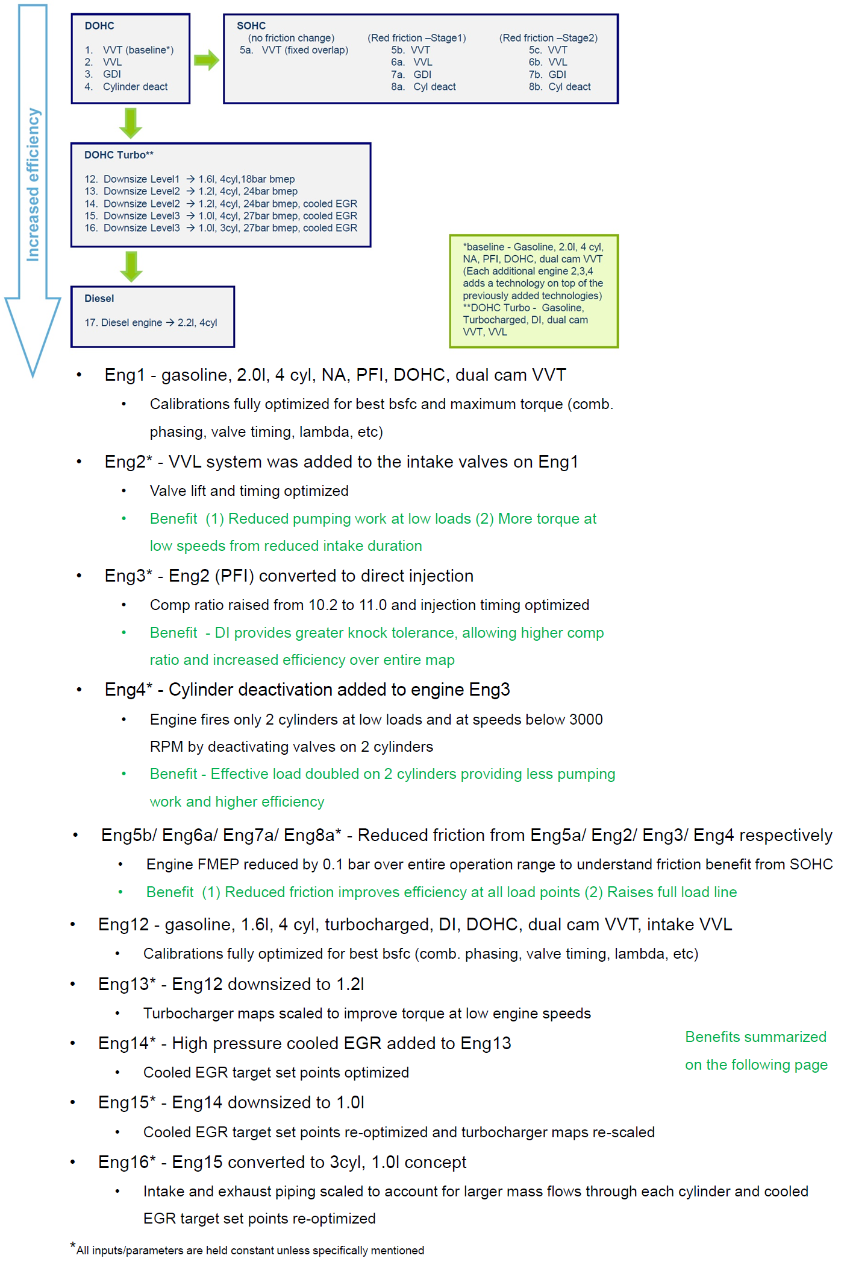

Eng01
Eng01 |  | rpm
 |  | 500 | 1000 | 1186 | 1372 | 1558 | 1744 | 1930 | 2117 | 2303 | 2489 | 2675 | 2861 | 3047 | 3233 | 3420 | 3606 | 3792 | 3978 | 4164 | 4350 | 4536 | 4723 | 4909 | 5095 | 5281 | 5467 | 5653 | 5840 | 6026 | 6212 | 6398
Nm | 0 | 0.24 | 0.56 | 0.68 | 0.80 | 0.92 | 1.04 | 1.17 | 1.31 | 1.45 | 1.60 | 1.77 | 1.94 | 2.11 | 2.28 | 2.46 | 2.66 | 2.87 | 3.08 | 3.30 | 3.53 | 3.77 | 4.04 | 4.34 | 4.69 | 5.08 | 5.50 | 5.94 | 6.40 | 6.84 | 7.26 | 7.67
 | 4 | 0.30 | 0.65 | 0.78 | 0.91 | 1.04 | 1.17 | 1.32 | 1.46 | 1.62 | 1.78 | 1.94 | 2.12 | 2.30 | 2.50 | 2.71 | 2.93 | 3.16 | 3.39 | 3.64 | 3.89 | 4.15 | 4.44 | 4.76 | 5.11 | 5.49 | 5.90 | 6.33 | 6.77 | 7.20 | 7.63 | 8.05
 | 9 | 0.36 | 0.74 | 0.88 | 1.02 | 1.16 | 1.31 | 1.46 | 1.62 | 1.79 | 1.96 | 2.13 | 2.31 | 2.51 | 2.73 | 2.96 | 3.20 | 3.45 | 3.71 | 3.98 | 4.25 | 4.54 | 4.84 | 5.17 | 5.53 | 5.91 | 6.31 | 6.72 | 7.15 | 7.58 | 8.01 | 8.44
 | 14 | 0.42 | 0.83 | 0.98 | 1.14 | 1.29 | 1.45 | 1.62 | 1.79 | 1.97 | 2.16 | 2.33 | 2.52 | 2.73 | 2.97 | 3.23 | 3.49 | 3.76 | 4.04 | 4.32 | 4.62 | 4.92 | 5.24 | 5.58 | 5.94 | 6.32 | 6.72 | 7.13 | 7.55 | 7.98 | 8.41 | 8.84
 | 18 | 0.48 | 0.93 | 1.09 | 1.26 | 1.43 | 1.61 | 1.79 | 1.98 | 2.17 | 2.37 | 2.56 | 2.76 | 2.98 | 3.24 | 3.51 | 3.80 | 4.09 | 4.38 | 4.68 | 4.99 | 5.31 | 5.65 | 6.00 | 6.36 | 6.75 | 7.14 | 7.56 | 7.98 | 8.41 | 8.84 | 9.28
 | 23 | 0.53 | 1.02 | 1.21 | 1.39 | 1.58 | 1.77 | 1.97 | 2.17 | 2.38 | 2.59 | 2.81 | 3.03 | 3.27 | 3.53 | 3.82 | 4.11 | 4.42 | 4.73 | 5.05 | 5.38 | 5.71 | 6.05 | 6.41 | 6.79 | 7.18 | 7.59 | 8.01 | 8.44 | 8.88 | 9.32 | 9.77
 | 28 | 0.58 | 1.12 | 1.32 | 1.52 | 1.73 | 1.94 | 2.16 | 2.38 | 2.60 | 2.83 | 3.07 | 3.31 | 3.57 | 3.84 | 4.14 | 4.45 | 4.77 | 5.10 | 5.44 | 5.77 | 6.12 | 6.47 | 6.84 | 7.23 | 7.64 | 8.07 | 8.50 | 8.94 | 9.39 | 9.85 | 10.31
 | 32 | 0.63 | 1.22 | 1.44 | 1.66 | 1.88 | 2.11 | 2.34 | 2.58 | 2.82 | 3.08 | 3.33 | 3.59 | 3.87 | 4.16 | 4.47 | 4.79 | 5.13 | 5.48 | 5.83 | 6.18 | 6.54 | 6.91 | 7.29 | 7.69 | 8.13 | 8.57 | 9.02 | 9.48 | 9.94 | 10.43 | 10.91
 | 37 | 0.67 | 1.31 | 1.55 | 1.79 | 2.03 | 2.28 | 2.53 | 2.78 | 3.04 | 3.31 | 3.58 | 3.87 | 4.16 | 4.47 | 4.80 | 5.15 | 5.50 | 5.86 | 6.23 | 6.60 | 6.97 | 7.36 | 7.77 | 8.19 | 8.64 | 9.11 | 9.59 | 10.07 | 10.57 | 11.07 | 11.58
 | 42 | 0.72 | 1.41 | 1.67 | 1.92 | 2.18 | 2.44 | 2.71 | 2.98 | 3.26 | 3.54 | 3.83 | 4.14 | 4.45 | 4.79 | 5.14 | 5.51 | 5.88 | 6.26 | 6.64 | 7.03 | 7.42 | 7.83 | 8.26 | 8.71 | 9.19 | 9.68 | 10.19 | 10.71 | 11.24 | 11.77 | 12.31
 | 46 | 0.77 | 1.51 | 1.78 | 2.06 | 2.33 | 2.61 | 2.90 | 3.19 | 3.48 | 3.78 | 4.09 | 4.41 | 4.75 | 5.11 | 5.49 | 5.88 | 6.27 | 6.66 | 7.06 | 7.47 | 7.88 | 8.31 | 8.77 | 9.25 | 9.75 | 10.28 | 10.82 | 11.38 | 11.95 | 12.52 | 13.10
 | 51 | 0.83 | 1.61 | 1.90 | 2.19 | 2.49 | 2.78 | 3.09 | 3.39 | 3.71 | 4.03 | 4.35 | 4.69 | 5.05 | 5.44 | 5.84 | 6.25 | 6.67 | 7.08 | 7.50 | 7.92 | 8.35 | 8.79 | 9.27 | 9.78 | 10.32 | 10.89 | 11.48 | 12.09 | 12.70 | 13.32 | 13.93
 | 56 | 0.90 | 1.72 | 2.02 | 2.33 | 2.64 | 2.96 | 3.28 | 3.61 | 3.94 | 4.28 | 4.62 | 4.98 | 5.37 | 5.77 | 6.20 | 6.63 | 7.07 | 7.51 | 7.94 | 8.37 | 8.81 | 9.28 | 9.78 | 10.32 | 10.90 | 11.52 | 12.16 | 12.82 | 13.48 | 14.14 | 14.80
 | 60 | 0.98 | 1.83 | 2.14 | 2.46 | 2.79 | 3.14 | 3.48 | 3.83 | 4.18 | 4.53 | 4.90 | 5.28 | 5.68 | 6.11 | 6.55 | 7.01 | 7.48 | 7.94 | 8.38 | 8.82 | 9.28 | 9.76 | 10.28 | 10.86 | 11.49 | 12.15 | 12.85 | 13.57 | 14.29 | 15.00 | 15.70
 | 65 | 1.05 | 1.93 | 2.26 | 2.60 | 2.95 | 3.31 | 3.68 | 4.05 | 4.42 | 4.79 | 5.18 | 5.58 | 6.00 | 6.45 | 6.91 | 7.39 | 7.87 | 8.36 | 8.81 | 9.27 | 9.75 | 10.25 | 10.80 | 11.41 | 12.08 | 12.79 | 13.54 | 14.32 | 15.10 | 15.86 | 16.62
 | 70 | 1.10 | 2.04 | 2.39 | 2.74 | 3.11 | 3.49 | 3.88 | 4.27 | 4.66 | 5.05 | 5.46 | 5.88 | 6.32 | 6.79 | 7.27 | 7.76 | 8.26 | 8.75 | 9.23 | 9.71 | 10.21 | 10.75 | 11.33 | 11.97 | 12.68 | 13.44 | 14.24 | 15.06 | 15.90 | 16.73 | 17.56
 | 74 | 1.16 | 2.15 | 2.51 | 2.89 | 3.28 | 3.68 | 4.08 | 4.49 | 4.90 | 5.32 | 5.74 | 6.18 | 6.64 | 7.12 | 7.62 | 8.13 | 8.64 | 9.14 | 9.64 | 10.14 | 10.67 | 11.24 | 11.86 | 12.54 | 13.28 | 14.09 | 14.93 | 15.81 | 16.70 | 17.60 | 18.50
 | 79 | 1.23 | 2.26 | 2.65 | 3.04 | 3.44 | 3.86 | 4.29 | 4.72 | 5.15 | 5.58 | 6.02 | 6.48 | 6.96 | 7.46 | 7.98 | 8.50 | 9.02 | 9.54 | 10.06 | 10.58 | 11.13 | 11.72 | 12.37 | 13.09 | 13.88 | 14.73 | 15.64 | 16.57 | 17.53 | 18.49 | 19.46
 | 84 | 1.31 | 2.38 | 2.79 | 3.19 | 3.61 | 4.05 | 4.49 | 4.94 | 5.39 | 5.84 | 6.30 | 6.78 | 7.27 | 7.80 | 8.34 | 8.88 | 9.43 | 9.96 | 10.49 | 11.03 | 11.59 | 12.20 | 12.87 | 13.63 | 14.48 | 15.39 | 16.36 | 17.36 | 18.37 | 19.40 | 20.43
 | 88 | 1.39 | 2.51 | 2.93 | 3.35 | 3.79 | 4.23 | 4.69 | 5.16 | 5.63 | 6.11 | 6.58 | 7.08 | 7.59 | 8.13 | 8.69 | 9.26 | 9.84 | 10.40 | 10.94 | 11.49 | 12.06 | 12.67 | 13.37 | 14.17 | 15.07 | 16.05 | 17.09 | 18.15 | 19.24 | 20.32 | 21.40
 | 93 | 1.48 | 2.64 | 3.07 | 3.51 | 3.96 | 4.42 | 4.90 | 5.38 | 5.88 | 6.37 | 6.87 | 7.37 | 7.90 | 8.46 | 9.04 | 9.64 | 10.24 | 10.84 | 11.40 | 11.96 | 12.54 | 13.17 | 13.88 | 14.73 | 15.69 | 16.73 | 17.83 | 18.97 | 20.11 | 21.25 | 22.38
 | 97 | 1.56 | 2.76 | 3.21 | 3.67 | 4.13 | 4.61 | 5.11 | 5.61 | 6.12 | 6.64 | 7.15 | 7.67 | 8.21 | 8.79 | 9.39 | 10.01 | 10.64 | 11.26 | 11.84 | 12.43 | 13.04 | 13.71 | 14.45 | 15.32 | 16.34 | 17.43 | 18.59 | 19.77 | 20.98 | 22.17 | 23.35
 | 102 | 1.60 | 2.87 | 3.34 | 3.82 | 4.31 | 4.81 | 5.32 | 5.84 | 6.36 | 6.89 | 7.42 | 7.96 | 8.52 | 9.12 | 9.73 | 10.37 | 11.01 | 11.64 | 12.27 | 12.90 | 13.56 | 14.28 | 15.08 | 16.00 | 17.03 | 18.16 | 19.35 | 20.58 | 21.83 | 23.08 | 24.32
 | 107 | 1.63 | 2.98 | 3.48 | 3.98 | 4.49 | 5.00 | 5.53 | 6.07 | 6.61 | 7.16 | 7.70 | 8.25 | 8.83 | 9.44 | 10.08 | 10.72 | 11.38 | 12.03 | 12.69 | 13.37 | 14.08 | 14.86 | 15.72 | 16.69 | 17.75 | 18.91 | 20.13 | 21.40 | 22.69 | 23.98 | 25.28
 | 111 | 1.67 | 3.09 | 3.61 | 4.14 | 4.67 | 5.21 | 5.75 | 6.30 | 6.86 | 7.43 | 7.98 | 8.55 | 9.14 | 9.76 | 10.42 | 11.08 | 11.75 | 12.43 | 13.13 | 13.84 | 14.61 | 15.44 | 16.35 | 17.36 | 18.47 | 19.66 | 20.92 | 22.23 | 23.56 | 24.90 | 26.24
 | 116 | 1.72 | 3.20 | 3.76 | 4.31 | 4.86 | 5.42 | 5.98 | 6.54 | 7.12 | 7.69 | 8.27 | 8.85 | 9.46 | 10.09 | 10.76 | 11.44 | 12.13 | 12.84 | 13.57 | 14.32 | 15.13 | 16.00 | 16.96 | 18.02 | 19.18 | 20.41 | 21.72 | 23.07 | 24.43 | 25.81 | 27.18
...
Eng01 |  | rpm
 | 144 | 2.78 | 4.30 | 4.87 | 5.43 | 5.99 | 6.61 | 7.22 | 7.87 | 8.56 | 9.25 | 9.92 | 10.62 | 11.32 | 11.99 | 12.70 | 13.45 | 14.25 | 15.11 | 16.03 | 17.03 | 18.12 | 19.30 | 20.57 | 21.93 | 23.36 | 24.85 | 26.37 | 27.92 | 29.47
 | 149 | 2.96 | 4.60 | 5.20 | 5.81 | 6.41 | 7.01 | 7.61 | 8.21 | 8.82 | 9.45 | 10.11 | 10.81 | 11.54 | 12.29 | 13.05 | 13.84 | 14.66 | 15.53 | 16.49 | 17.54 | 18.67 | 19.90 | 21.23 | 22.64 | 24.13 | 25.66 | 27.22 | 28.80 | 30.38
 | 153 | 3.18 | 4.91 | 5.56 | 6.20 | 6.84 | 7.45 | 8.04 | 8.59 | 9.12 | 9.68 | 10.33 | 11.03 | 11.81 | 12.64 | 13.47 | 14.29 | 15.12 | 16.01 | 17.01 | 18.11 | 19.30 | 20.57 | 21.93 | 23.40 | 24.94 | 26.53 | 28.14 | 29.75 | 31.36
 | 158 | 3.46 | 5.25 | 5.91 | 6.58 | 7.23 | 7.86 | 8.47 | 8.99 | 9.47 | 9.98 | 10.66 | 11.39 | 12.19 | 13.10 | 13.98 | 14.83 | 15.67 | 16.55 | 17.61 | 18.77 | 20.01 | 21.32 | 22.70 | 24.21 | 25.82 | 27.46 | 29.12 | 30.78 | 32.43
 | 163 | 3.77 | 5.59 | 6.26 | 6.93 | 7.59 | 8.23 | 8.83 | 9.37 | 9.89 | 10.46 | 11.17 | 11.97 | 12.80 | 13.69 | 14.58 | 15.43 | 16.30 | 17.25 | 18.34 | 19.55 | 20.83 | 22.19 | 23.61 | 25.13 | 26.76 | 28.45 | 30.17 | 31.90 | 33.62
 | 167 | 4.10 | 5.92 | 6.60 | 7.27 | 7.94 | 8.57 | 9.18 | 9.77 | 10.37 | 11.02 | 11.78 | 12.65 | 13.54 | 14.34 | 15.19 | 16.05 | 16.97 | 18.00 | 19.16 | 20.43 | 21.76 | 23.15 | 24.59 | 26.11 | 27.74 | 29.46 | 31.25 | 33.07 | 34.88
 | 172 | 4.43 | 6.25 | 6.93 | 7.60 | 8.27 | 8.92 | 9.56 | 10.21 | 10.88 | 11.60 | 12.40 | 13.24 | 14.09 | 14.90 | 15.73 | 16.61 | 17.58 | 18.71 | 19.99 | 21.39 | 22.79 | 24.16 | 25.57 | 27.08 | 28.71 | 30.48 | 32.34 | 34.26 | 36.18
 | 177 | 4.76 | 6.57 | 7.24 | 7.92 | 8.59 | 9.27 | 9.96 | 10.67 | 11.41 | 12.18 | 12.98 | 13.80 | 14.60 | 15.40 | 16.21 | 17.09 | 18.10 | 19.31 | 20.77 | 22.36 | 23.88 | 25.19 | 26.50 | 27.98 | 29.66 | 31.50 | 33.44 | 35.42 | 37.41
 | 181 | 5.08 | 6.89 | 7.56 | 8.24 | 8.92 | 9.63 | 10.37 | 11.14 | 11.94 | 12.75 | 13.55 | 14.33 | 15.10 | 15.87 | 16.67 | 17.54 | 18.55 | 19.80 | 21.46 | 23.25 | 24.88 | 26.16 | 27.36 | 28.81 | 30.57 | 32.51 | 34.53 | 36.57 | 38.63

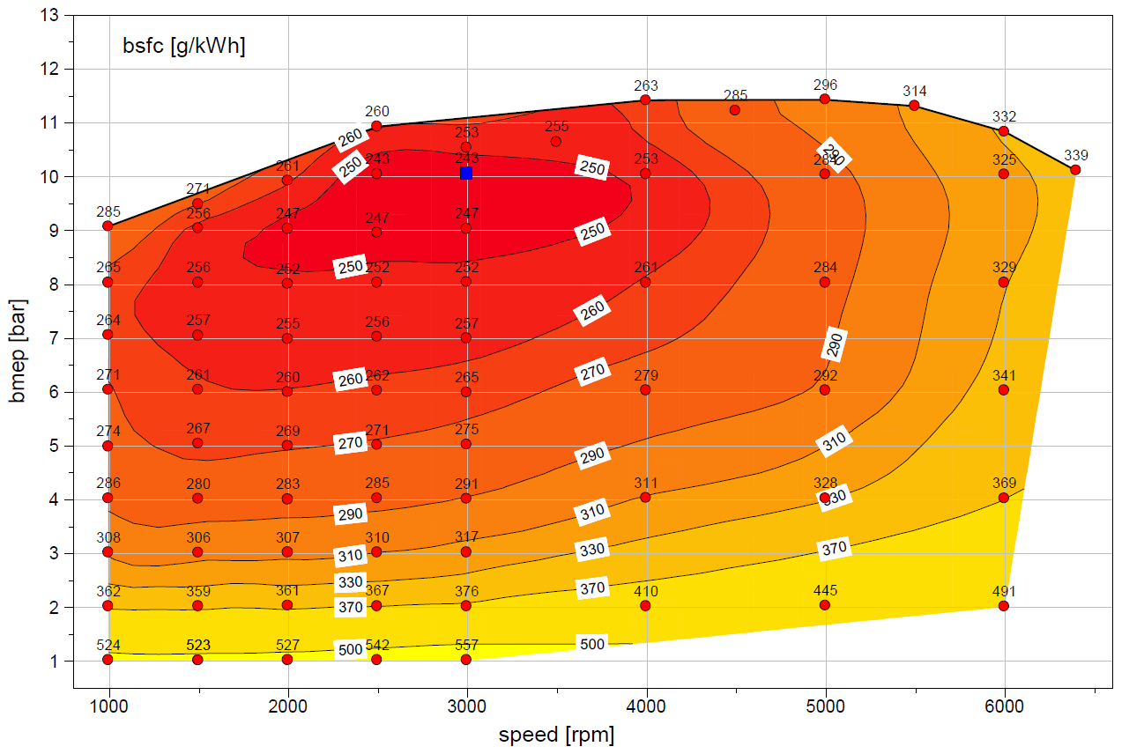
 | WOT
 | rad/sec | Nm
 | 105 | 144
 | 157 | 150
 | 209 | 157
 | 262 | 173
 | 314 | 167
 | 366 | 169
 | 419 | 181
 | 471 | 178
 | 523 | 181
 | 576 | 179
 | 628 | 172
 | 670 | 160

Eng02
...
Eng02 |  | rpm
 | 143 | 2.33 | 3.97 | 4.58 | 5.19 | 5.81 | 6.45 | 7.11 | 7.76 | 8.41 | 9.09 | 9.76 | 10.46 | 11.16 | 11.84 | 12.54 | 13.26 | 14.02 | 14.80 | 15.63 | 16.52 | 17.49 | 18.56 | 19.75 | 21.05 | 22.45 | 23.95 | 25.50 | 27.10 | 28.72
 | 147 | 2.53 | 4.20 | 4.82 | 5.43 | 6.04 | 6.66 | 7.30 | 7.95 | 8.61 | 9.29 | 9.99 | 10.70 | 11.43 | 12.16 | 12.90 | 13.66 | 14.43 | 15.25 | 16.11 | 17.05 | 18.07 | 19.20 | 20.45 | 21.82 | 23.29 | 24.85 | 26.47 | 28.11 | 29.78
 | 152 | 2.73 | 4.47 | 5.12 | 5.74 | 6.34 | 6.92 | 7.51 | 8.15 | 8.83 | 9.52 | 10.23 | 10.96 | 11.71 | 12.50 | 13.30 | 14.10 | 14.91 | 15.75 | 16.66 | 17.65 | 18.72 | 19.89 | 21.19 | 22.62 | 24.18 | 25.81 | 27.49 | 29.19 | 30.90
 | 157 | 2.98 | 4.79 | 5.47 | 6.12 | 6.72 | 7.27 | 7.81 | 8.45 | 9.14 | 9.84 | 10.57 | 11.31 | 12.08 | 12.92 | 13.77 | 14.61 | 15.45 | 16.33 | 17.30 | 18.34 | 19.47 | 20.68 | 21.99 | 23.49 | 25.12 | 26.82 | 28.57 | 30.33 | 32.08
 | 162 | 3.33 | 5.17 | 5.86 | 6.53 | 7.17 | 7.75 | 8.31 | 8.90 | 9.58 | 10.29 | 11.05 | 11.84 | 12.61 | 13.45 | 14.30 | 15.17 | 16.06 | 17.01 | 18.04 | 19.15 | 20.32 | 21.58 | 22.95 | 24.45 | 26.13 | 27.89 | 29.70 | 31.52 | 33.33
 | 166 | 3.72 | 5.58 | 6.28 | 6.96 | 7.63 | 8.28 | 8.92 | 9.51 | 10.13 | 10.84 | 11.63 | 12.47 | 13.28 | 14.06 | 14.87 | 15.76 | 16.73 | 17.78 | 18.90 | 20.07 | 21.30 | 22.59 | 23.99 | 25.52 | 27.20 | 29.00 | 30.86 | 32.75 | 34.63
 | 171 | 4.11 | 6.01 | 6.72 | 7.42 | 8.12 | 8.82 | 9.50 | 10.13 | 10.73 | 11.41 | 12.19 | 13.05 | 13.90 | 14.63 | 15.43 | 16.36 | 17.43 | 18.60 | 19.84 | 21.11 | 22.39 | 23.68 | 25.07 | 26.60 | 28.30 | 30.13 | 32.05 | 34.00 | 35.94
 | 176 | 4.51 | 6.45 | 7.17 | 7.89 | 8.61 | 9.33 | 10.02 | 10.67 | 11.30 | 11.97 | 12.73 | 13.54 | 14.36 | 15.13 | 15.96 | 16.97 | 18.14 | 19.45 | 20.84 | 22.24 | 23.58 | 24.83 | 26.13 | 27.64 | 29.38 | 31.27 | 33.23 | 35.22 | 37.22
 | 181 | 4.91 | 6.89 | 7.63 | 8.37 | 9.10 | 9.82 | 10.52 | 11.20 | 11.86 | 12.53 | 13.25 | 14.01 | 14.79 | 15.61 | 16.52 | 17.59 | 18.86 | 20.29 | 21.83 | 23.39 | 24.83 | 25.99 | 27.18 | 28.66 | 30.44 | 32.39 | 34.39 | 36.42 | 38.47
 | 185 | 5.32 | 7.34 | 8.09 | 8.84 | 9.58 | 10.31 | 11.02 | 11.72 | 12.41 | 13.08 | 13.76 | 14.46 | 15.23 | 16.09 | 17.08 | 18.24 | 19.59 | 21.11 | 22.79 | 24.44 | 25.90 | 27.13 | 28.35 | 29.77 | 31.51 | 33.46 | 35.51 | 37.60 | 39.72
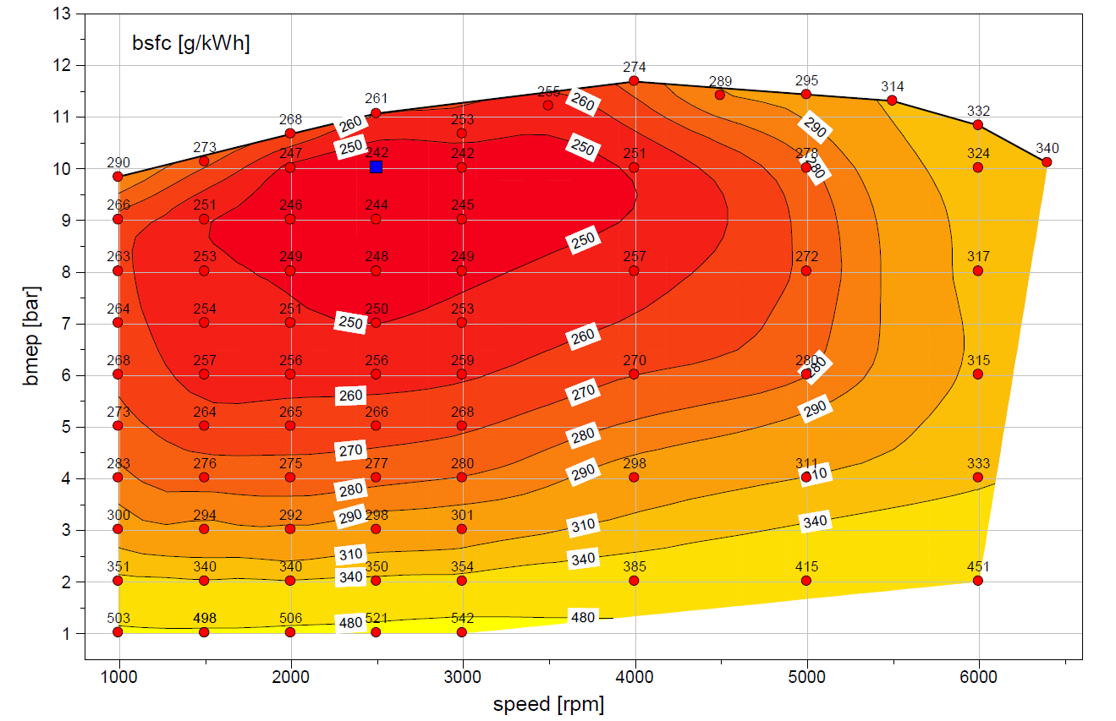
 | WOT
 | rad/sec | Nm
 | 105 | 156
 | 157 | 161
 | 209 | 169
 | 262 | 175
 | 314 | 169
 | 366 | 178
 | 419 | 185
 | 471 | 181
 | 523 | 181
 | 576 | 179
 | 628 | 172
 | 670 | 160

Eng03
...
Eng03 |  | rpm
 | 145 | 2.42 | 4.05 | 4.65 | 5.25 | 5.85 | 6.46 | 7.08 | 7.71 | 8.35 | 9.03 | 9.69 | 10.38 | 11.08 | 11.76 | 12.44 | 13.14 | 13.85 | 14.60 | 15.39 | 16.23 | 17.16 | 18.18 | 19.30 | 20.53 | 21.85 | 23.25 | 24.71 | 26.22 | 27.76
 | 150 | 2.63 | 4.30 | 4.92 | 5.53 | 6.12 | 6.71 | 7.31 | 7.92 | 8.56 | 9.23 | 9.92 | 10.63 | 11.36 | 12.08 | 12.80 | 13.53 | 14.27 | 15.05 | 15.88 | 16.78 | 17.76 | 18.83 | 20.00 | 21.28 | 22.67 | 24.14 | 25.66 | 27.23 | 28.84
 | 154 | 2.85 | 4.59 | 5.24 | 5.87 | 6.47 | 7.04 | 7.60 | 8.20 | 8.84 | 9.50 | 10.21 | 10.94 | 11.68 | 12.44 | 13.21 | 13.97 | 14.76 | 15.59 | 16.49 | 17.45 | 18.49 | 19.60 | 20.81 | 22.15 | 23.61 | 25.15 | 26.72 | 28.34 | 30.02
 | 159 | 3.12 | 4.95 | 5.63 | 6.29 | 6.90 | 7.47 | 8.02 | 8.63 | 9.27 | 9.92 | 10.65 | 11.37 | 12.10 | 12.88 | 13.67 | 14.47 | 15.32 | 16.23 | 17.23 | 18.28 | 19.40 | 20.56 | 21.79 | 23.17 | 24.70 | 26.29 | 27.92 | 29.59 | 31.32
 | 164 | 3.48 | 5.36 | 6.06 | 6.75 | 7.41 | 8.02 | 8.63 | 9.27 | 9.93 | 10.59 | 11.29 | 11.98 | 12.67 | 13.39 | 14.17 | 15.03 | 15.98 | 17.02 | 18.14 | 19.30 | 20.50 | 21.73 | 23.02 | 24.42 | 25.95 | 27.56 | 29.24 | 30.99 | 32.83
 | 169 | 3.87 | 5.81 | 6.54 | 7.26 | 7.96 | 8.65 | 9.34 | 10.03 | 10.71 | 11.40 | 12.05 | 12.69 | 13.30 | 13.94 | 14.70 | 15.65 | 16.76 | 17.98 | 19.25 | 20.53 | 21.80 | 23.07 | 24.39 | 25.78 | 27.29 | 28.92 | 30.66 | 32.49 | 34.42
 | 174 | 4.24 | 6.28 | 7.04 | 7.80 | 8.56 | 9.31 | 10.06 | 10.80 | 11.54 | 12.24 | 12.83 | 13.38 | 13.94 | 14.49 | 15.25 | 16.34 | 17.68 | 19.12 | 20.57 | 21.95 | 23.27 | 24.54 | 25.83 | 27.19 | 28.68 | 30.31 | 32.11 | 34.03 | 36.04
 | 179 | 4.59 | 6.76 | 7.57 | 8.38 | 9.19 | 9.99 | 10.78 | 11.56 | 12.31 | 13.01 | 13.53 | 14.01 | 14.51 | 15.08 | 15.85 | 17.15 | 18.77 | 20.48 | 22.08 | 23.55 | 24.87 | 26.09 | 27.30 | 28.59 | 30.04 | 31.69 | 33.54 | 35.55 | 37.65
 | 183 | 4.93 | 7.25 | 8.12 | 8.98 | 9.84 | 10.68 | 11.50 | 12.28 | 12.99 | 13.61 | 14.12 | 14.58 | 15.11 | 15.80 | 16.78 | 18.20 | 20.05 | 22.00 | 23.71 | 25.23 | 26.55 | 27.65 | 28.74 | 29.96 | 31.37 | 33.02 | 34.92 | 37.01 | 39.19
 | 188 | 5.26 | 7.74 | 8.66 | 9.59 | 10.50 | 11.38 | 12.22 | 12.98 | 13.63 | 14.18 | 14.66 | 15.14 | 15.73 | 16.59 | 17.81 | 19.44 | 21.43 | 23.52 | 25.36 | 26.90 | 28.16 | 29.18 | 30.15 | 31.28 | 32.67 | 34.32 | 36.28 | 38.43 | 40.67
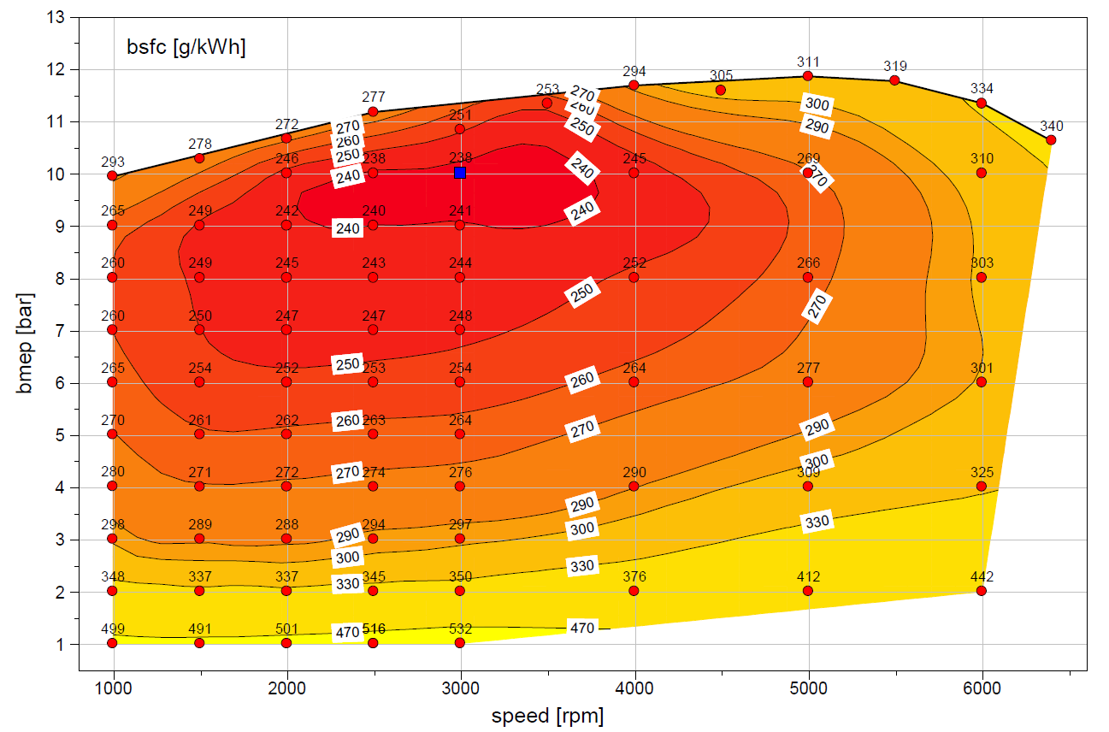
 | WOT
 | rad/sec | Nm
 | 105 | 158
 | 157 | 163
 | 209 | 169
 | 262 | 177
 | 314 | 172
 | 366 | 180
 | 419 | 185
 | 471 | 184
 | 523 | 188
 | 576 | 187
 | 628 | 180
 | 670 | 169

Eng04
...
Eng04 |  | rpm
 | 145 | 2.42 | 4.05 | 4.65 | 5.25 | 5.85 | 6.46 | 7.08 | 7.71 | 8.35 | 9.03 | 9.69 | 10.38 | 11.08 | 11.76 | 12.44 | 13.14 | 13.85 | 14.60 | 15.39 | 16.23 | 17.16 | 18.18 | 19.30 | 20.53 | 21.85 | 23.25 | 24.71 | 26.22 | 27.76
 | 150 | 2.63 | 4.30 | 4.92 | 5.53 | 6.12 | 6.71 | 7.31 | 7.92 | 8.56 | 9.23 | 9.92 | 10.63 | 11.36 | 12.08 | 12.80 | 13.53 | 14.27 | 15.05 | 15.88 | 16.78 | 17.76 | 18.83 | 20.00 | 21.28 | 22.67 | 24.14 | 25.66 | 27.23 | 28.84
 | 154 | 2.85 | 4.59 | 5.24 | 5.87 | 6.47 | 7.04 | 7.60 | 8.20 | 8.84 | 9.50 | 10.21 | 10.94 | 11.68 | 12.45 | 13.21 | 13.97 | 14.76 | 15.59 | 16.49 | 17.45 | 18.49 | 19.60 | 20.81 | 22.15 | 23.61 | 25.15 | 26.72 | 28.34 | 30.02
 | 159 | 3.12 | 4.95 | 5.63 | 6.29 | 6.90 | 7.47 | 8.02 | 8.63 | 9.27 | 9.92 | 10.65 | 11.38 | 12.10 | 12.88 | 13.67 | 14.47 | 15.32 | 16.23 | 17.23 | 18.29 | 19.40 | 20.56 | 21.79 | 23.17 | 24.70 | 26.29 | 27.92 | 29.59 | 31.32
 | 164 | 3.48 | 5.36 | 6.06 | 6.75 | 7.41 | 8.02 | 8.63 | 9.27 | 9.93 | 10.59 | 11.29 | 11.98 | 12.67 | 13.39 | 14.17 | 15.03 | 15.98 | 17.02 | 18.14 | 19.30 | 20.50 | 21.73 | 23.02 | 24.42 | 25.95 | 27.56 | 29.24 | 30.99 | 32.83
 | 169 | 3.87 | 5.81 | 6.54 | 7.26 | 7.96 | 8.65 | 9.34 | 10.03 | 10.71 | 11.40 | 12.05 | 12.69 | 13.30 | 13.94 | 14.70 | 15.65 | 16.76 | 17.98 | 19.25 | 20.53 | 21.80 | 23.07 | 24.39 | 25.78 | 27.29 | 28.92 | 30.66 | 32.49 | 34.42
 | 174 | 4.24 | 6.28 | 7.04 | 7.80 | 8.56 | 9.31 | 10.06 | 10.80 | 11.54 | 12.24 | 12.83 | 13.38 | 13.94 | 14.49 | 15.25 | 16.34 | 17.68 | 19.12 | 20.57 | 21.95 | 23.27 | 24.54 | 25.83 | 27.19 | 28.68 | 30.31 | 32.11 | 34.03 | 36.04
 | 179 | 4.59 | 6.76 | 7.57 | 8.38 | 9.19 | 9.99 | 10.78 | 11.56 | 12.31 | 13.01 | 13.53 | 14.01 | 14.51 | 15.08 | 15.85 | 17.15 | 18.78 | 20.48 | 22.08 | 23.55 | 24.87 | 26.09 | 27.30 | 28.59 | 30.04 | 31.69 | 33.54 | 35.55 | 37.65
 | 183 | 4.93 | 7.25 | 8.12 | 8.98 | 9.84 | 10.68 | 11.50 | 12.28 | 12.99 | 13.61 | 14.12 | 14.58 | 15.11 | 15.80 | 16.78 | 18.20 | 20.05 | 22.00 | 23.71 | 25.23 | 26.55 | 27.65 | 28.74 | 29.96 | 31.37 | 33.02 | 34.92 | 37.01 | 39.19
 | 188 | 5.26 | 7.74 | 8.66 | 9.59 | 10.50 | 11.38 | 12.22 | 12.98 | 13.63 | 14.18 | 14.66 | 15.14 | 15.73 | 16.59 | 17.81 | 19.44 | 21.43 | 23.52 | 25.36 | 26.90 | 28.16 | 29.18 | 30.15 | 31.28 | 32.67 | 34.32 | 36.28 | 38.43 | 40.67
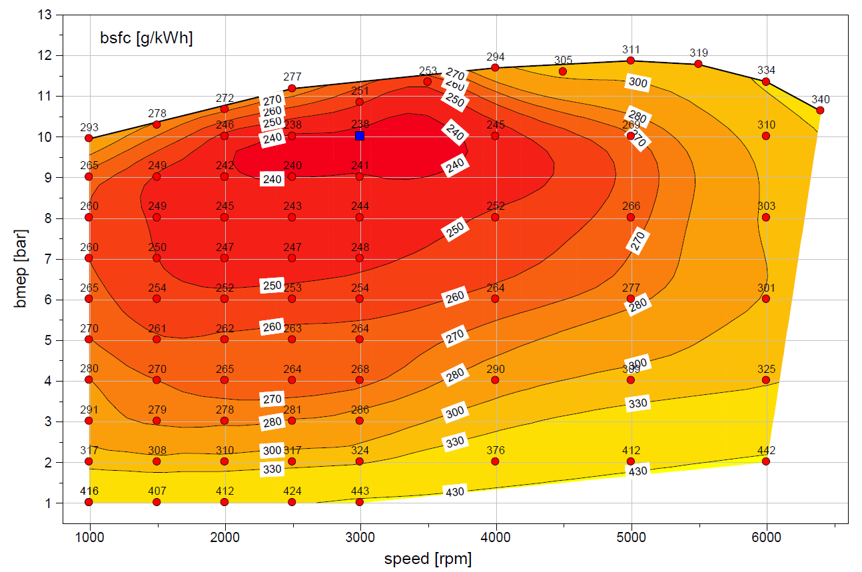
 | WOT
 | rad/sec | Nm
 | 105 | 158
 | 157 | 163
 | 209 | 169
 | 262 | 177
 | 314 | 172
 | 366 | 180
 | 419 | 185
 | 471 | 184
 | 523 | 188
 | 576 | 187
 | 628 | 180
 | 670 | 169

Eng5b
...
Eng5b |  | rpm
 | 139 | 2.56 | 3.99 | 4.53 | 5.06 | 5.64 | 6.25 | 6.87 | 7.53 | 8.21 | 8.90 | 9.60 | 10.30 | 10.97 | 11.64 | 12.32 | 13.04 | 13.82 | 14.63 | 15.49 | 16.41 | 17.41 | 18.49 | 19.67 | 20.95 | 22.30 | 23.72 | 25.19 | 26.68
 | 144 | 2.78 | 4.26 | 4.81 | 5.36 | 5.93 | 6.55 | 7.17 | 7.81 | 8.46 | 9.13 | 9.81 | 10.53 | 11.27 | 11.96 | 12.67 | 13.41 | 14.19 | 15.02 | 15.90 | 16.85 | 17.90 | 19.05 | 20.29 | 21.62 | 23.02 | 24.48 | 25.98 | 27.50
 | 149 | 2.95 | 4.54 | 5.14 | 5.74 | 6.35 | 6.97 | 7.58 | 8.16 | 8.74 | 9.35 | 10.00 | 10.72 | 11.49 | 12.28 | 13.07 | 13.84 | 14.62 | 15.44 | 16.33 | 17.33 | 18.43 | 19.64 | 20.94 | 22.33 | 23.79 | 25.30 | 26.84 | 28.39
 | 153 | 3.13 | 4.85 | 5.49 | 6.14 | 6.79 | 7.43 | 8.04 | 8.57 | 9.06 | 9.59 | 10.21 | 10.93 | 11.76 | 12.67 | 13.56 | 14.37 | 15.12 | 15.90 | 16.83 | 17.88 | 19.04 | 20.29 | 21.64 | 23.09 | 24.62 | 26.19 | 27.77 | 29.36
 | 158 | 3.37 | 5.18 | 5.85 | 6.53 | 7.20 | 7.85 | 8.46 | 8.98 | 9.43 | 9.91 | 10.56 | 11.28 | 12.14 | 13.20 | 14.18 | 14.99 | 15.70 | 16.42 | 17.41 | 18.54 | 19.76 | 21.05 | 22.43 | 23.93 | 25.53 | 27.16 | 28.80 | 30.44
 | 163 | 3.66 | 5.52 | 6.21 | 6.90 | 7.57 | 8.22 | 8.82 | 9.36 | 9.86 | 10.42 | 11.12 | 11.94 | 12.83 | 13.86 | 14.86 | 15.65 | 16.36 | 17.14 | 18.14 | 19.32 | 20.59 | 21.95 | 23.37 | 24.89 | 26.51 | 28.19 | 29.91 | 31.64
 | 167 | 3.99 | 5.86 | 6.55 | 7.24 | 7.92 | 8.57 | 9.19 | 9.77 | 10.37 | 11.02 | 11.79 | 12.69 | 13.64 | 14.50 | 15.38 | 16.21 | 16.99 | 17.89 | 18.98 | 20.23 | 21.57 | 22.95 | 24.39 | 25.91 | 27.54 | 29.27 | 31.08 | 32.93
 | 172 | 4.32 | 6.19 | 6.88 | 7.58 | 8.26 | 8.93 | 9.58 | 10.23 | 10.91 | 11.64 | 12.45 | 13.33 | 14.20 | 15.02 | 15.81 | 16.63 | 17.51 | 18.55 | 19.81 | 21.22 | 22.65 | 24.02 | 25.42 | 26.92 | 28.57 | 30.36 | 32.26 | 34.22
 | 177 | 4.65 | 6.51 | 7.21 | 7.90 | 8.60 | 9.29 | 10.00 | 10.73 | 11.48 | 12.27 | 13.08 | 13.90 | 14.69 | 15.44 | 16.19 | 16.99 | 17.93 | 19.08 | 20.57 | 22.22 | 23.79 | 25.08 | 26.39 | 27.87 | 29.57 | 31.44 | 33.43 | 35.48
 | 181 | 4.97 | 6.83 | 7.53 | 8.22 | 8.93 | 9.67 | 10.43 | 11.23 | 12.06 | 12.89 | 13.69 | 14.45 | 15.15 | 15.84 | 16.55 | 17.34 | 18.32 | 19.58 | 21.27 | 23.10 | 24.76 | 26.07 | 27.28 | 28.74 | 30.53 | 32.52 | 34.60 | 36.73
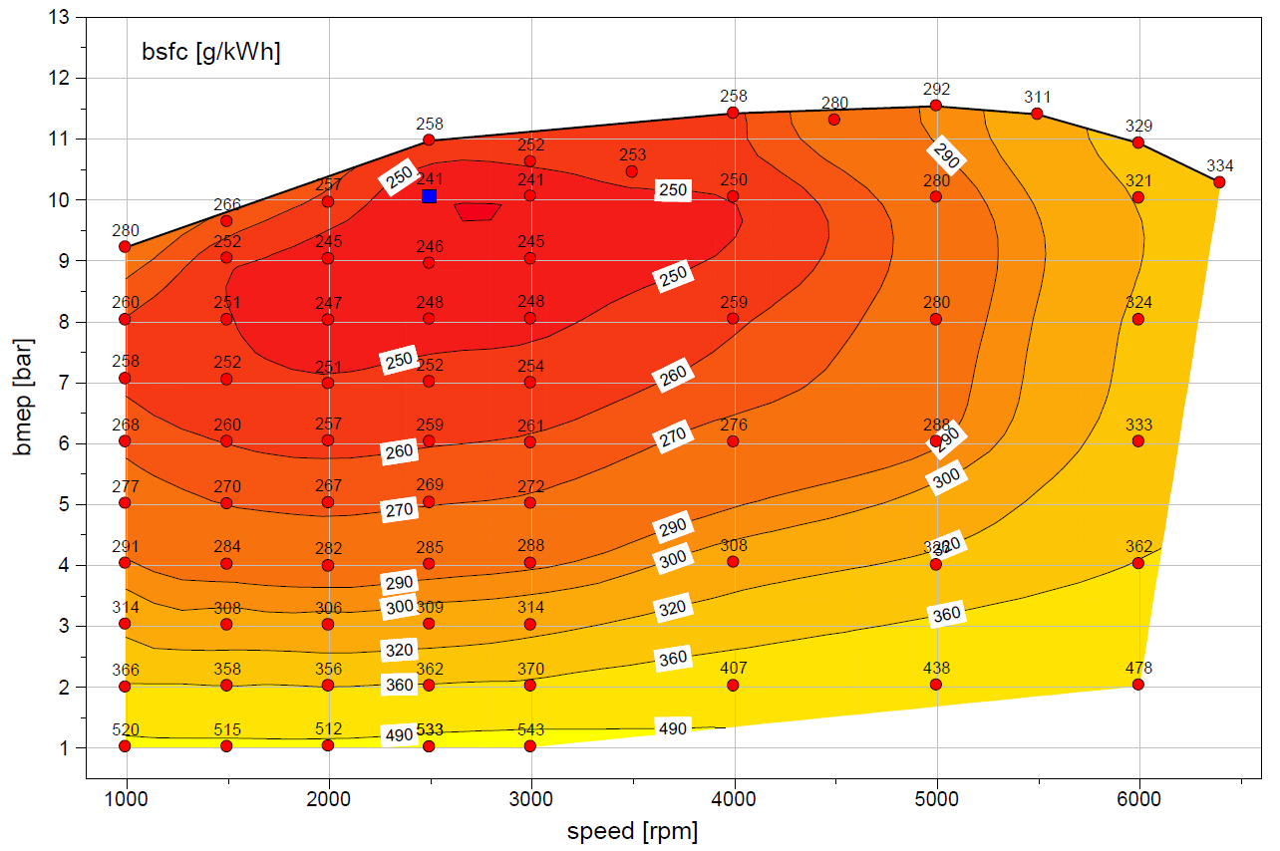
 | WOT
 | rad/sec | Nm
 | 105 | 146
 | 157 | 153
 | 209 | 158
 | 262 | 174
 | 314 | 168
 | 366 | 166
 | 419 | 181
 | 471 | 179
 | 523 | 183
 | 576 | 181
 | 628 | 173
 | 670 | 163

Eng6a
...
Eng6a |  | rpm
 | 144 | 2.33 | 3.96 | 4.57 | 5.18 | 5.79 | 6.44 | 7.09 | 7.74 | 8.39 | 9.06 | 9.73 | 10.42 | 11.12 | 11.81 | 12.51 | 13.24 | 13.99 | 14.78 | 15.60 | 16.49 | 17.45 | 18.52 | 19.70 | 21.00 | 22.40 | 23.89 | 25.45 | 27.05 | 28.66
 | 149 | 2.52 | 4.19 | 4.81 | 5.43 | 6.04 | 6.65 | 7.29 | 7.93 | 8.59 | 9.28 | 9.97 | 10.68 | 11.41 | 12.14 | 12.89 | 13.65 | 14.42 | 15.24 | 16.10 | 17.04 | 18.06 | 19.18 | 20.42 | 21.78 | 23.26 | 24.82 | 26.44 | 28.08 | 29.74
 | 153 | 2.73 | 4.46 | 5.11 | 5.74 | 6.34 | 6.93 | 7.52 | 8.16 | 8.83 | 9.53 | 10.24 | 10.97 | 11.72 | 12.51 | 13.31 | 14.11 | 14.91 | 15.75 | 16.67 | 17.65 | 18.72 | 19.89 | 21.17 | 22.60 | 24.16 | 25.80 | 27.48 | 29.18 | 30.88
 | 158 | 2.96 | 4.77 | 5.45 | 6.10 | 6.71 | 7.28 | 7.83 | 8.48 | 9.17 | 9.87 | 10.61 | 11.35 | 12.11 | 12.95 | 13.79 | 14.62 | 15.47 | 16.35 | 17.32 | 18.36 | 19.48 | 20.69 | 22.00 | 23.49 | 25.12 | 26.83 | 28.57 | 30.33 | 32.08
 | 163 | 3.29 | 5.14 | 5.83 | 6.50 | 7.15 | 7.75 | 8.34 | 8.96 | 9.63 | 10.34 | 11.10 | 11.88 | 12.67 | 13.49 | 14.33 | 15.19 | 16.09 | 17.04 | 18.07 | 19.18 | 20.35 | 21.61 | 22.98 | 24.50 | 26.16 | 27.91 | 29.71 | 31.52 | 33.32
 | 168 | 3.65 | 5.53 | 6.23 | 6.92 | 7.60 | 8.26 | 8.92 | 9.53 | 10.18 | 10.88 | 11.66 | 12.49 | 13.29 | 14.07 | 14.89 | 15.78 | 16.76 | 17.81 | 18.93 | 20.10 | 21.33 | 22.63 | 24.04 | 25.57 | 27.24 | 29.02 | 30.87 | 32.75 | 34.60
 | 173 | 4.03 | 5.94 | 6.65 | 7.36 | 8.07 | 8.77 | 9.47 | 10.12 | 10.74 | 11.43 | 12.20 | 13.03 | 13.88 | 14.62 | 15.43 | 16.38 | 17.45 | 18.63 | 19.87 | 21.14 | 22.41 | 23.72 | 25.11 | 26.64 | 28.33 | 30.15 | 32.05 | 33.98 | 35.91
 | 177 | 4.41 | 6.36 | 7.09 | 7.81 | 8.54 | 9.26 | 9.96 | 10.63 | 11.28 | 11.96 | 12.71 | 13.51 | 14.32 | 15.10 | 15.95 | 16.97 | 18.16 | 19.47 | 20.85 | 22.25 | 23.59 | 24.84 | 26.15 | 27.67 | 29.40 | 31.28 | 33.22 | 35.19 | 37.17
 | 182 | 4.79 | 6.78 | 7.53 | 8.27 | 9.01 | 9.74 | 10.44 | 11.13 | 11.80 | 12.49 | 13.21 | 13.96 | 14.74 | 15.57 | 16.50 | 17.58 | 18.87 | 20.30 | 21.83 | 23.39 | 24.82 | 25.99 | 27.19 | 28.67 | 30.44 | 32.38 | 34.36 | 36.38 | 38.41
 | 187 | 5.18 | 7.21 | 7.97 | 8.73 | 9.47 | 10.21 | 10.92 | 11.63 | 12.32 | 13.00 | 13.69 | 14.40 | 15.17 | 16.05 | 17.05 | 18.23 | 19.59 | 21.11 | 22.78 | 24.42 | 25.88 | 27.12 | 28.33 | 29.75 | 31.48 | 33.43 | 35.47 | 37.55 | 39.65
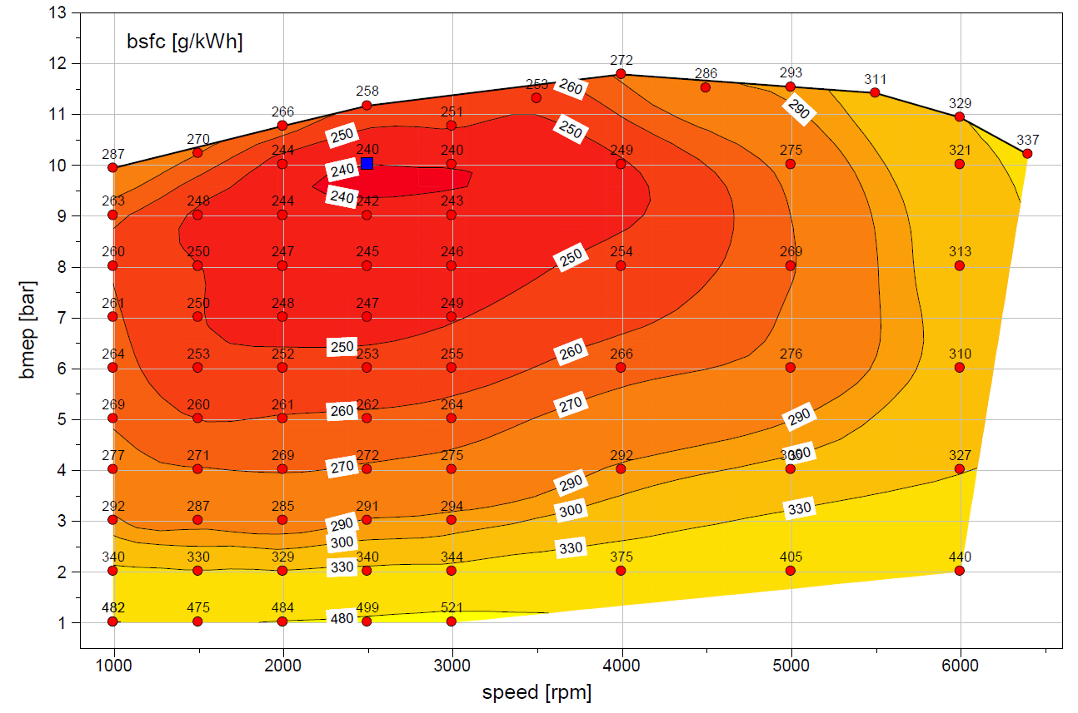
 | WOT
 | rad/sec | Nm
 | 105 | 158
 | 157 | 162
 | 209 | 171
 | 262 | 177
 | 314 | 171
 | 366 | 179
 | 419 | 187
 | 471 | 183
 | 523 | 183
 | 576 | 181
 | 628 | 173
 | 670 | 162

Eng7a
...
Eng7a |  | rpm
 | 146 | 2.43 | 4.04 | 4.64 | 5.24 | 5.83 | 6.44 | 7.05 | 7.68 | 8.32 | 8.99 | 9.66 | 10.34 | 11.05 | 11.73 | 12.42 | 13.12 | 13.84 | 14.58 | 15.36 | 16.21 | 17.12 | 18.14 | 19.25 | 20.48 | 21.80 | 23.20 | 24.66 | 26.16 | 27.69
 | 151 | 2.63 | 4.29 | 4.91 | 5.51 | 6.10 | 6.68 | 7.27 | 7.89 | 8.53 | 9.19 | 9.89 | 10.61 | 11.34 | 12.07 | 12.80 | 13.53 | 14.27 | 15.05 | 15.88 | 16.78 | 17.75 | 18.80 | 19.97 | 21.26 | 22.65 | 24.12 | 25.64 | 27.19 | 28.80
 | 156 | 2.85 | 4.58 | 5.23 | 5.86 | 6.45 | 7.01 | 7.57 | 8.19 | 8.83 | 9.48 | 10.20 | 10.93 | 11.68 | 12.44 | 13.21 | 13.98 | 14.77 | 15.61 | 16.51 | 17.47 | 18.51 | 19.61 | 20.80 | 22.16 | 23.63 | 25.16 | 26.73 | 28.34 | 30.01
 | 161 | 3.10 | 4.93 | 5.61 | 6.26 | 6.88 | 7.46 | 8.03 | 8.63 | 9.29 | 9.95 | 10.67 | 11.40 | 12.12 | 12.89 | 13.68 | 14.49 | 15.35 | 16.27 | 17.26 | 18.32 | 19.44 | 20.60 | 21.85 | 23.22 | 24.74 | 26.33 | 27.96 | 29.63 | 31.36
 | 165 | 3.45 | 5.34 | 6.04 | 6.73 | 7.39 | 8.01 | 8.63 | 9.28 | 9.94 | 10.62 | 11.32 | 12.00 | 12.68 | 13.40 | 14.18 | 15.05 | 16.01 | 17.06 | 18.18 | 19.35 | 20.55 | 21.79 | 23.09 | 24.49 | 26.01 | 27.62 | 29.30 | 31.05 | 32.87
 | 170 | 3.82 | 5.78 | 6.51 | 7.23 | 7.93 | 8.62 | 9.32 | 10.02 | 10.72 | 11.41 | 12.06 | 12.69 | 13.30 | 13.94 | 14.71 | 15.66 | 16.78 | 18.01 | 19.29 | 20.57 | 21.85 | 23.13 | 24.45 | 25.85 | 27.36 | 28.98 | 30.71 | 32.54 | 34.44
 | 175 | 4.19 | 6.24 | 7.00 | 7.77 | 8.52 | 9.27 | 10.03 | 10.78 | 11.53 | 12.23 | 12.82 | 13.37 | 13.92 | 14.48 | 15.24 | 16.34 | 17.69 | 19.15 | 20.60 | 21.99 | 23.31 | 24.59 | 25.88 | 27.25 | 28.74 | 30.37 | 32.15 | 34.06 | 36.05
 | 180 | 4.53 | 6.71 | 7.53 | 8.34 | 9.15 | 9.95 | 10.74 | 11.53 | 12.29 | 12.99 | 13.51 | 13.98 | 14.48 | 15.05 | 15.84 | 17.15 | 18.78 | 20.49 | 22.09 | 23.56 | 24.89 | 26.12 | 27.33 | 28.64 | 30.09 | 31.73 | 33.57 | 35.57 | 37.65
 | 185 | 4.86 | 7.19 | 8.06 | 8.93 | 9.79 | 10.64 | 11.46 | 12.24 | 12.95 | 13.58 | 14.08 | 14.55 | 15.07 | 15.77 | 16.76 | 18.18 | 20.05 | 22.00 | 23.70 | 25.22 | 26.54 | 27.66 | 28.76 | 29.98 | 31.40 | 33.04 | 34.93 | 37.01 | 39.17
 | 190 | 5.19 | 7.68 | 8.60 | 9.53 | 10.44 | 11.33 | 12.17 | 12.93 | 13.58 | 14.13 | 14.61 | 15.09 | 15.69 | 16.55 | 17.78 | 19.42 | 21.41 | 23.51 | 25.34 | 26.87 | 28.13 | 29.17 | 30.15 | 31.29 | 32.68 | 34.32 | 36.26 | 38.41 | 40.64
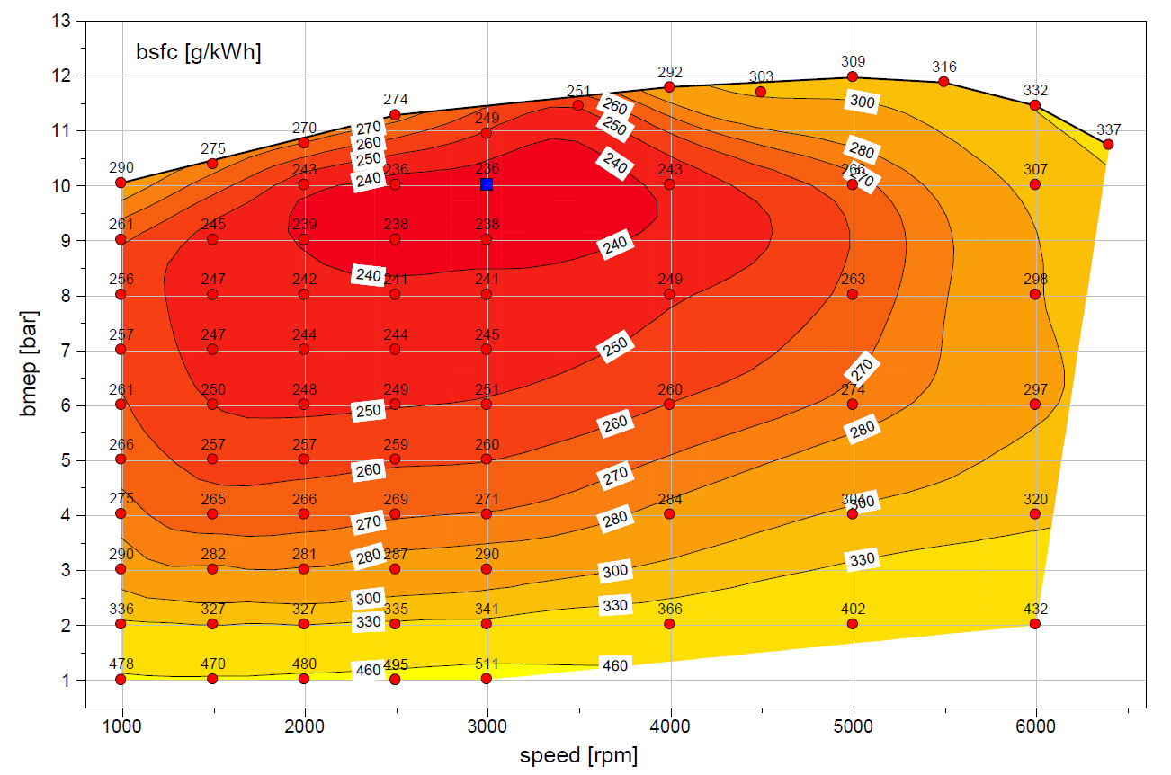
 | WOT
 | rad/sec | Nm
 | 105 | 159
 | 157 | 165
 | 209 | 171
 | 262 | 179
 | 314 | 174
 | 366 | 182
 | 419 | 187
 | 471 | 185
 | 523 | 190
 | 576 | 188
 | 628 | 182
 | 670 | 170

Eng8a
...
Eng8a |  | rpm
 | 146 | 2.43 | 4.04 | 4.64 | 5.24 | 5.83 | 6.44 | 7.05 | 7.68 | 8.32 | 8.99 | 9.66 | 10.34 | 11.05 | 11.73 | 12.42 | 13.12 | 13.84 | 14.58 | 15.36 | 16.21 | 17.12 | 18.14 | 19.25 | 20.48 | 21.80 | 23.20 | 24.66 | 26.16 | 27.69
 | 151 | 2.63 | 4.29 | 4.91 | 5.51 | 6.10 | 6.68 | 7.27 | 7.89 | 8.53 | 9.19 | 9.89 | 10.61 | 11.34 | 12.07 | 12.80 | 13.53 | 14.27 | 15.05 | 15.88 | 16.78 | 17.75 | 18.80 | 19.97 | 21.26 | 22.65 | 24.12 | 25.64 | 27.19 | 28.80
 | 156 | 2.85 | 4.58 | 5.23 | 5.86 | 6.45 | 7.01 | 7.57 | 8.19 | 8.83 | 9.48 | 10.20 | 10.93 | 11.68 | 12.44 | 13.21 | 13.98 | 14.77 | 15.61 | 16.51 | 17.47 | 18.51 | 19.61 | 20.80 | 22.16 | 23.63 | 25.16 | 26.73 | 28.34 | 30.01
 | 161 | 3.10 | 4.93 | 5.61 | 6.26 | 6.88 | 7.46 | 8.03 | 8.63 | 9.29 | 9.95 | 10.67 | 11.40 | 12.12 | 12.89 | 13.68 | 14.49 | 15.35 | 16.27 | 17.26 | 18.32 | 19.44 | 20.60 | 21.85 | 23.22 | 24.74 | 26.33 | 27.96 | 29.63 | 31.36
 | 165 | 3.45 | 5.34 | 6.04 | 6.73 | 7.39 | 8.01 | 8.63 | 9.28 | 9.94 | 10.62 | 11.32 | 12.00 | 12.68 | 13.40 | 14.18 | 15.05 | 16.01 | 17.06 | 18.18 | 19.35 | 20.55 | 21.79 | 23.09 | 24.49 | 26.01 | 27.62 | 29.30 | 31.05 | 32.87
 | 170 | 3.82 | 5.78 | 6.51 | 7.23 | 7.93 | 8.62 | 9.32 | 10.02 | 10.72 | 11.41 | 12.06 | 12.70 | 13.30 | 13.94 | 14.71 | 15.66 | 16.78 | 18.01 | 19.29 | 20.57 | 21.85 | 23.13 | 24.45 | 25.85 | 27.36 | 28.98 | 30.71 | 32.54 | 34.44
 | 175 | 4.19 | 6.24 | 7.00 | 7.77 | 8.52 | 9.27 | 10.03 | 10.78 | 11.53 | 12.23 | 12.82 | 13.37 | 13.92 | 14.48 | 15.24 | 16.34 | 17.69 | 19.15 | 20.60 | 21.99 | 23.31 | 24.59 | 25.88 | 27.25 | 28.74 | 30.37 | 32.15 | 34.06 | 36.05
 | 180 | 4.53 | 6.71 | 7.53 | 8.34 | 9.15 | 9.95 | 10.74 | 11.53 | 12.29 | 12.99 | 13.51 | 13.98 | 14.48 | 15.05 | 15.84 | 17.15 | 18.78 | 20.49 | 22.09 | 23.56 | 24.89 | 26.12 | 27.33 | 28.64 | 30.09 | 31.73 | 33.57 | 35.57 | 37.65
 | 185 | 4.86 | 7.19 | 8.06 | 8.93 | 9.79 | 10.64 | 11.46 | 12.24 | 12.96 | 13.58 | 14.08 | 14.55 | 15.07 | 15.77 | 16.76 | 18.18 | 20.05 | 22.00 | 23.70 | 25.22 | 26.54 | 27.66 | 28.76 | 29.98 | 31.40 | 33.04 | 34.93 | 37.01 | 39.17
 | 190 | 5.19 | 7.68 | 8.60 | 9.53 | 10.44 | 11.33 | 12.17 | 12.93 | 13.58 | 14.13 | 14.61 | 15.09 | 15.69 | 16.55 | 17.78 | 19.42 | 21.41 | 23.51 | 25.34 | 26.87 | 28.13 | 29.17 | 30.15 | 31.29 | 32.68 | 34.32 | 36.26 | 38.41 | 40.64
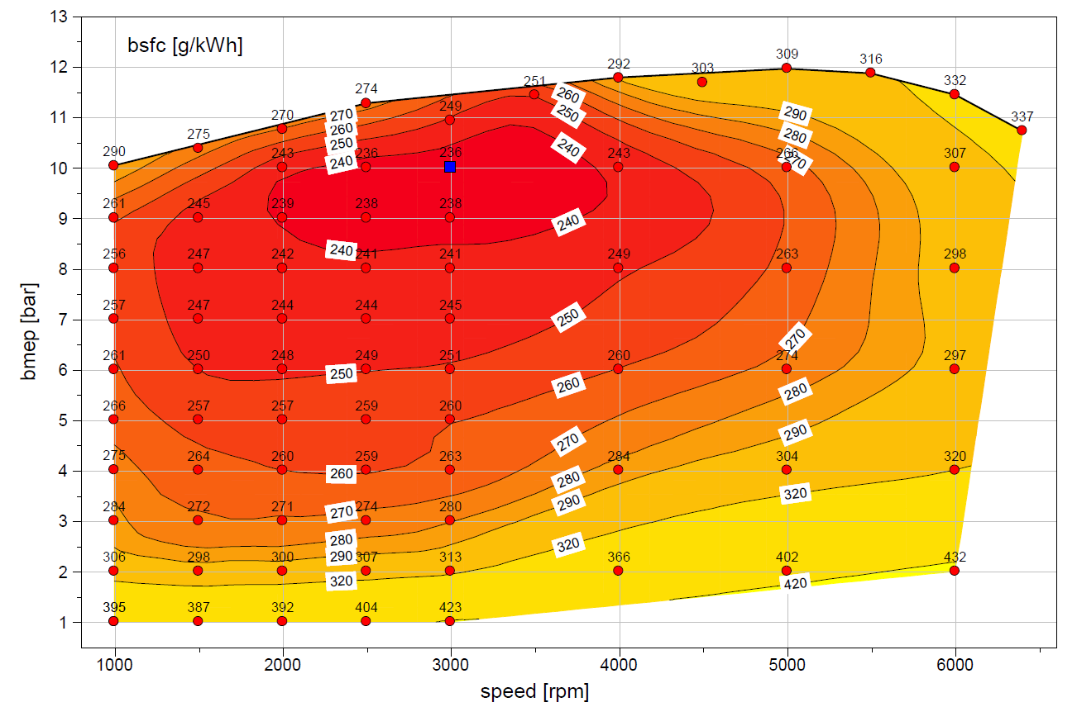
 | WOT
 | rad/sec | Nm
 | 105 | 159
 | 157 | 165
 | 209 | 171
 | 262 | 179
 | 314 | 174
 | 366 | 182
 | 419 | 187
 | 471 | 185
 | 523 | 190
 | 576 | 188
 | 628 | 182
 | 670 | 170

Eng12
...
Eng12 |  | rpm
 | 177 | 2.93 | 4.82 | 5.47 | 6.12 | 6.78 | 7.48 | 8.20 | 8.91 | 9.62 | 10.34 | 11.08 | 11.83 | 12.59 | 13.36 | 14.14 | 14.93 | 15.74 | 16.55 | 17.39 | 18.25 | 19.14 | 20.07 | 21.05 | 22.08 | 23.15 | 24.26 | 25.41 | 26.58
 | 183 | 3.11 | 5.01 | 5.67 | 6.33 | 7.01 | 7.72 | 8.45 | 9.18 | 9.92 | 10.66 | 11.42 | 12.19 | 12.98 | 13.77 | 14.58 | 15.40 | 16.22 | 17.06 | 17.92 | 18.80 | 19.72 | 20.68 | 21.69 | 22.76 | 23.89 | 25.06 | 26.27 | 27.49
 | 189 | 3.40 | 5.30 | 5.95 | 6.61 | 7.29 | 7.99 | 8.71 | 9.46 | 10.21 | 10.98 | 11.76 | 12.56 | 13.36 | 14.18 | 15.02 | 15.86 | 16.72 | 17.58 | 18.47 | 19.37 | 20.30 | 21.27 | 22.31 | 23.41 | 24.59 | 25.84 | 27.13 | 28.44
 | 195 | 3.84 | 5.68 | 6.31 | 6.96 | 7.61 | 8.29 | 9.00 | 9.73 | 10.50 | 11.29 | 12.10 | 12.92 | 13.75 | 14.59 | 15.45 | 16.33 | 17.21 | 18.11 | 19.02 | 19.94 | 20.88 | 21.87 | 22.91 | 24.04 | 25.27 | 26.60 | 27.99 | 29.41
 | 200 | 4.42 | 6.16 | 6.76 | 7.36 | 7.99 | 8.63 | 9.30 | 10.03 | 10.80 | 11.61 | 12.44 | 13.27 | 14.13 | 15.00 | 15.89 | 16.79 | 17.71 | 18.64 | 19.58 | 20.52 | 21.48 | 22.47 | 23.52 | 24.66 | 25.92 | 27.34 | 28.85 | 30.41
 | 206 | 5.14 | 6.73 | 7.28 | 7.83 | 8.41 | 9.01 | 9.65 | 10.34 | 11.11 | 11.92 | 12.77 | 13.63 | 14.51 | 15.41 | 16.33 | 17.26 | 18.20 | 19.16 | 20.12 | 21.09 | 22.07 | 23.08 | 24.15 | 25.30 | 26.59 | 28.06 | 29.68 | 31.39
 | 212 | 5.96 | 7.38 | 7.87 | 8.36 | 8.87 | 9.42 | 10.02 | 10.68 | 11.42 | 12.23 | 13.09 | 13.98 | 14.90 | 15.83 | 16.77 | 17.72 | 18.69 | 19.67 | 20.65 | 21.65 | 22.67 | 23.72 | 24.81 | 25.98 | 27.28 | 28.77 | 30.45 | 32.31
 | 218 | 6.82 | 8.08 | 8.52 | 8.95 | 9.39 | 9.85 | 10.38 | 11.00 | 11.72 | 12.54 | 13.42 | 14.35 | 15.29 | 16.24 | 17.21 | 18.19 | 19.18 | 20.18 | 21.18 | 22.21 | 23.26 | 24.36 | 25.52 | 26.74 | 28.04 | 29.46 | 31.11 | 33.07
 | 224 | 7.69 | 8.82 | 9.22 | 9.60 | 9.96 | 10.31 | 10.72 | 11.27 | 11.99 | 12.85 | 13.78 | 14.73 | 15.69 | 16.66 | 17.65 | 18.65 | 19.67 | 20.69 | 21.73 | 22.76 | 23.84 | 24.99 | 26.25 | 27.58 | 28.89 | 30.17 | 31.63 | 33.58
 | 230 | 8.55 | 9.58 | 9.93 | 10.27 | 10.57 | 10.77 | 11.02 | 11.47 | 12.23 | 13.17 | 14.16 | 15.13 | 16.10 | 17.09 | 18.09 | 19.11 | 20.15 | 21.21 | 22.28 | 23.33 | 24.41 | 25.60 | 26.98 | 28.47 | 29.87 | 30.92 | 32.05 | 33.87
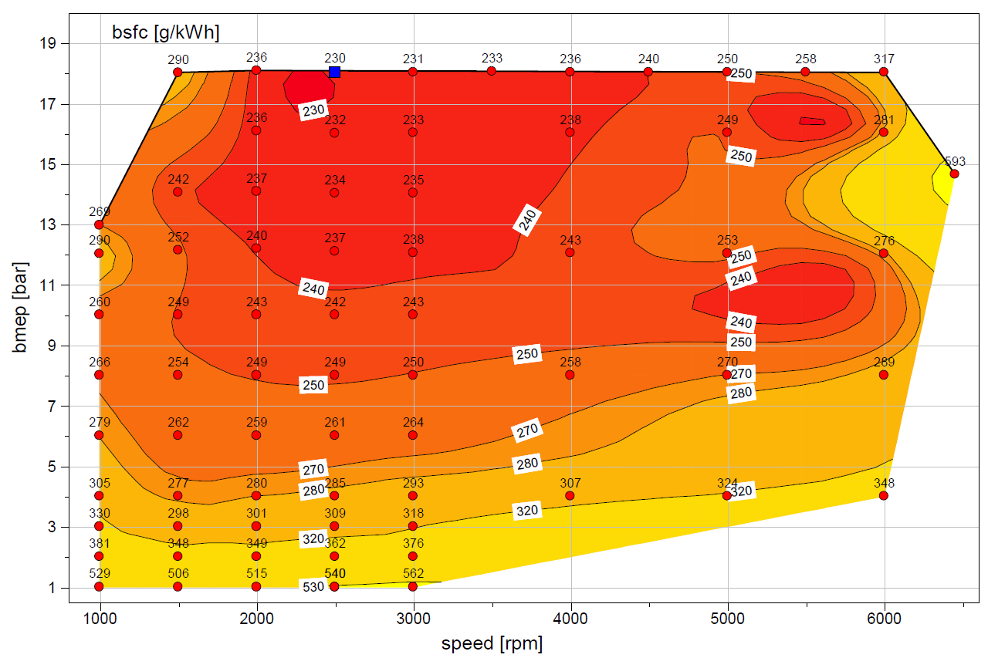
 | WOT
 | rad/sec | Nm
 | 105 | 165
 | 157 | 229
 | 209 | 230
 | 262 | 229
 | 314 | 229
 | 366 | 230
 | 419 | 229
 | 471 | 229
 | 523 | 229
 | 576 | 229
 | 628 | 229
 | 680 | 197

Eng13
...
Eng13 |  | rpm
 | 183 | 8.88 | 9.00 | 9.03 | 9.05 | 9.05 | 9.06 | 9.15 | 9.41 | 9.91 | 10.58 | 11.35 | 12.13 | 12.91 | 13.70 | 14.48 | 15.27 | 16.06 | 16.84 | 17.60 | 18.36 | 19.12 | 19.90 | 20.73 | 21.66 | 22.74 | 24.02 | 25.51 | 27.18
 | 189 | 8.93 | 9.04 | 9.07 | 9.11 | 9.17 | 9.28 | 9.49 | 9.83 | 10.33 | 10.96 | 11.69 | 12.48 | 13.30 | 14.12 | 14.94 | 15.76 | 16.57 | 17.39 | 18.20 | 18.99 | 19.80 | 20.62 | 21.49 | 22.44 | 23.52 | 24.85 | 26.39 | 28.11
 | 195 | 8.72 | 8.98 | 9.07 | 9.18 | 9.32 | 9.52 | 9.82 | 10.22 | 10.72 | 11.34 | 12.06 | 12.86 | 13.71 | 14.56 | 15.40 | 16.25 | 17.10 | 17.95 | 18.80 | 19.66 | 20.53 | 21.42 | 22.36 | 23.37 | 24.50 | 25.85 | 27.38 | 29.08
 | 201 | 8.36 | 8.88 | 9.06 | 9.25 | 9.48 | 9.77 | 10.13 | 10.57 | 11.11 | 11.73 | 12.44 | 13.25 | 14.12 | 14.99 | 15.86 | 16.73 | 17.62 | 18.52 | 19.43 | 20.35 | 21.30 | 22.29 | 23.33 | 24.45 | 25.67 | 27.02 | 28.51 | 30.11
 | 207 | 7.94 | 8.75 | 9.03 | 9.33 | 9.65 | 10.01 | 10.43 | 10.92 | 11.48 | 12.13 | 12.85 | 13.66 | 14.52 | 15.41 | 16.31 | 17.22 | 18.15 | 19.10 | 20.07 | 21.07 | 22.11 | 23.21 | 24.37 | 25.61 | 26.93 | 28.31 | 29.76 | 31.24
 | 213 | 7.51 | 8.63 | 9.01 | 9.41 | 9.82 | 10.25 | 10.73 | 11.26 | 11.85 | 12.51 | 13.25 | 14.06 | 14.92 | 15.82 | 16.75 | 17.71 | 18.69 | 19.69 | 20.73 | 21.81 | 22.95 | 24.16 | 25.44 | 26.80 | 28.23 | 29.68 | 31.11 | 32.50
 | 219 | 7.08 | 8.51 | 9.00 | 9.49 | 9.99 | 10.50 | 11.03 | 11.59 | 12.20 | 12.87 | 13.62 | 14.45 | 15.33 | 16.26 | 17.22 | 18.20 | 19.22 | 20.28 | 21.40 | 22.58 | 23.82 | 25.13 | 26.52 | 27.98 | 29.52 | 31.07 | 32.56 | 33.91
 | 225 | 6.67 | 8.39 | 8.99 | 9.58 | 10.17 | 10.76 | 11.35 | 11.94 | 12.54 | 13.20 | 13.96 | 14.83 | 15.77 | 16.73 | 17.69 | 18.69 | 19.74 | 20.88 | 22.08 | 23.36 | 24.70 | 26.11 | 27.58 | 29.12 | 30.76 | 32.46 | 34.11 | 35.51
 | 230 | 6.27 | 8.28 | 8.98 | 9.67 | 10.36 | 11.03 | 11.68 | 12.29 | 12.87 | 13.49 | 14.25 | 15.20 | 16.22 | 17.23 | 18.19 | 19.17 | 20.26 | 21.46 | 22.77 | 24.15 | 25.60 | 27.10 | 28.63 | 30.22 | 31.92 | 33.82 | 35.71 | 37.28

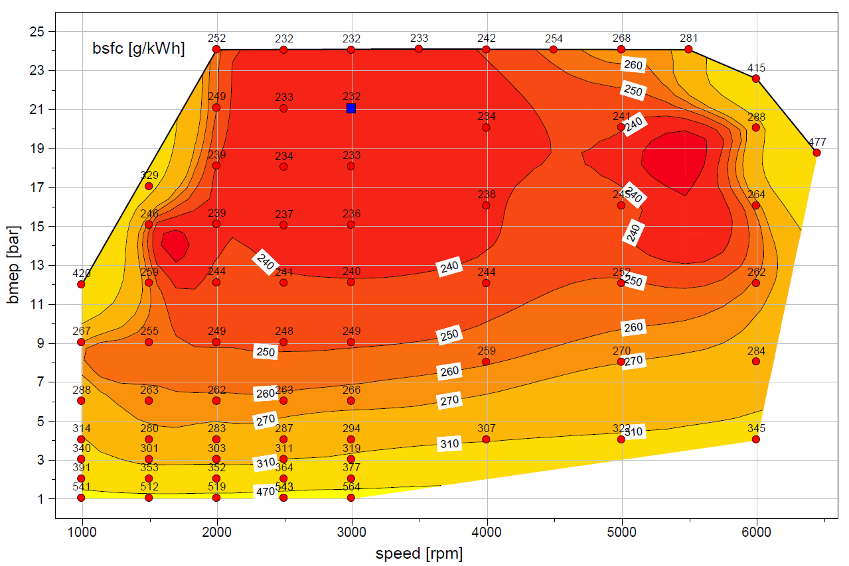
 | WOT
 | rad/sec | Nm
 | 105 | 115
 | 157 | 163
 | 209 | 230
 | 262 | 230
 | 314 | 230
 | 366 | 230
 | 419 | 230
 | 471 | 230
 | 523 | 230
 | 576 | 230
 | 628 | 223
 | 680 | 186

Eng14
...
Eng14 |  | rpm
 | 183 | 8.88 | 9.00 | 9.03 | 9.05 | 9.05 | 9.06 | 9.15 | 9.41 | 9.90 | 10.58 | 11.34 | 12.12 | 12.91 | 13.71 | 14.53 | 15.35 | 16.17 | 16.97 | 17.74 | 18.46 | 19.17 | 19.94 | 20.81 | 21.81 | 22.97 | 24.27 | 25.53 | 26.58 | 27.26
 | 189 | 8.93 | 9.04 | 9.07 | 9.11 | 9.17 | 9.28 | 9.49 | 9.83 | 10.32 | 10.95 | 11.68 | 12.48 | 13.30 | 14.14 | 14.99 | 15.84 | 16.69 | 17.52 | 18.31 | 18.99 | 19.65 | 20.37 | 21.23 | 22.27 | 23.55 | 25.18 | 26.89 | 28.43 | 29.59
 | 195 | 8.72 | 8.98 | 9.07 | 9.18 | 9.32 | 9.52 | 9.82 | 10.22 | 10.72 | 11.34 | 12.05 | 12.85 | 13.70 | 14.57 | 15.45 | 16.33 | 17.19 | 18.02 | 18.80 | 19.50 | 20.13 | 20.83 | 21.68 | 22.79 | 24.24 | 26.13 | 28.31 | 30.49 | 32.46
 | 201 | 8.36 | 8.88 | 9.06 | 9.25 | 9.48 | 9.77 | 10.13 | 10.57 | 11.11 | 11.73 | 12.44 | 13.25 | 14.11 | 15.00 | 15.90 | 16.80 | 17.68 | 18.51 | 19.29 | 20.00 | 20.66 | 21.37 | 22.24 | 23.40 | 24.99 | 27.10 | 29.68 | 32.58 | 35.61
 | 207 | 7.94 | 8.76 | 9.04 | 9.33 | 9.65 | 10.01 | 10.43 | 10.92 | 11.48 | 12.13 | 12.85 | 13.65 | 14.51 | 15.42 | 16.34 | 17.27 | 18.16 | 19.02 | 19.82 | 20.57 | 21.30 | 22.06 | 22.94 | 24.11 | 25.74 | 27.98 | 30.88 | 34.43 | 38.59
 | 213 | 7.51 | 8.63 | 9.02 | 9.41 | 9.82 | 10.25 | 10.73 | 11.26 | 11.85 | 12.52 | 13.25 | 14.06 | 14.92 | 15.84 | 16.78 | 17.73 | 18.66 | 19.56 | 20.42 | 21.26 | 22.09 | 22.94 | 23.86 | 25.00 | 26.55 | 28.74 | 31.78 | 35.79 | 40.88
 | 219 | 7.09 | 8.51 | 9.00 | 9.50 | 10.00 | 10.51 | 11.03 | 11.59 | 12.20 | 12.87 | 13.63 | 14.46 | 15.34 | 16.27 | 17.21 | 18.18 | 19.16 | 20.13 | 21.10 | 22.06 | 23.01 | 23.99 | 25.03 | 26.17 | 27.56 | 29.47 | 32.28 | 36.40 | 42.10
 | 225 | 6.69 | 8.40 | 8.99 | 9.59 | 10.18 | 10.77 | 11.35 | 11.93 | 12.53 | 13.19 | 13.96 | 14.84 | 15.78 | 16.72 | 17.65 | 18.61 | 19.64 | 20.75 | 21.87 | 22.95 | 24.01 | 25.15 | 26.39 | 27.70 | 28.96 | 30.28 | 32.32 | 36.03 | 42.12
 | 230 | 6.28 | 8.29 | 8.99 | 9.68 | 10.36 | 11.03 | 11.68 | 12.29 | 12.86 | 13.49 | 14.25 | 15.22 | 16.25 | 17.21 | 18.09 | 19.01 | 20.11 | 21.39 | 22.71 | 23.91 | 25.05 | 26.31 | 27.84 | 29.49 | 30.85 | 31.28 | 32.00 | 34.67 | 41.29

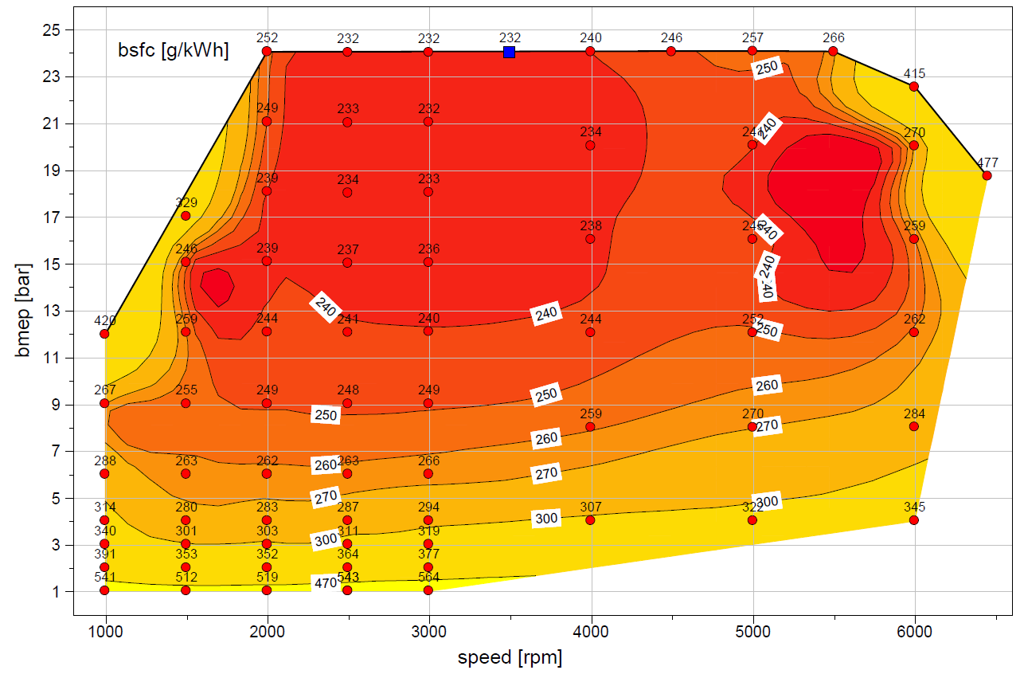
 | WOT
 | rad/sec | Nm
 | 105 | 115
 | 157 | 163
 | 209 | 230
 | 262 | 230
 | 314 | 230
 | 366 | 230
 | 419 | 230
 | 471 | 230
 | 523 | 230
 | 576 | 230
 | 628 | 220
 | 680 | 186

Eng15
...
Eng15 |  | rpm
 | 166 | 3.19 | 4.95 | 5.56 | 6.17 | 6.78 | 7.38 | 7.99 | 8.59 | 9.18 | 9.77 | 10.40 | 11.05 | 11.73 | 12.44 | 13.15 | 13.88 | 14.60 | 15.32 | 16.04 | 16.77 | 17.52 | 18.29 | 19.09 | 19.95 | 20.84 | 21.78 | 22.76 | 23.76
 | 171 | 3.36 | 5.16 | 5.79 | 6.41 | 7.03 | 7.65 | 8.27 | 8.88 | 9.48 | 10.10 | 10.74 | 11.41 | 12.12 | 12.85 | 13.59 | 14.34 | 15.09 | 15.83 | 16.57 | 17.30 | 18.04 | 18.81 | 19.62 | 20.50 | 21.46 | 22.49 | 23.60 | 24.76
 | 177 | 3.54 | 5.38 | 6.01 | 6.65 | 7.28 | 7.91 | 8.54 | 9.16 | 9.78 | 10.42 | 11.08 | 11.78 | 12.51 | 13.26 | 14.04 | 14.82 | 15.59 | 16.36 | 17.11 | 17.84 | 18.57 | 19.33 | 20.15 | 21.06 | 22.08 | 23.23 | 24.49 | 25.84
 | 182 | 3.71 | 5.59 | 6.24 | 6.88 | 7.53 | 8.17 | 8.81 | 9.45 | 10.08 | 10.73 | 11.42 | 12.14 | 12.90 | 13.68 | 14.48 | 15.29 | 16.09 | 16.89 | 17.66 | 18.39 | 19.12 | 19.87 | 20.70 | 21.63 | 22.72 | 24.01 | 25.46 | 27.00
 | 188 | 3.89 | 5.80 | 6.46 | 7.12 | 7.77 | 8.43 | 9.08 | 9.74 | 10.39 | 11.05 | 11.76 | 12.51 | 13.29 | 14.10 | 14.91 | 15.74 | 16.57 | 17.40 | 18.21 | 18.95 | 19.68 | 20.44 | 21.29 | 22.26 | 23.42 | 24.87 | 26.51 | 28.25
 | 194 | 4.07 | 6.01 | 6.68 | 7.35 | 8.02 | 8.69 | 9.36 | 10.03 | 10.70 | 11.38 | 12.11 | 12.88 | 13.68 | 14.51 | 15.34 | 16.18 | 17.03 | 17.88 | 18.71 | 19.49 | 20.25 | 21.05 | 21.96 | 23.01 | 24.27 | 25.85 | 27.66 | 29.56
 | 199 | 4.24 | 6.22 | 6.90 | 7.58 | 8.27 | 8.95 | 9.63 | 10.31 | 11.01 | 11.72 | 12.47 | 13.26 | 14.08 | 14.91 | 15.75 | 16.60 | 17.46 | 18.32 | 19.17 | 20.00 | 20.83 | 21.71 | 22.69 | 23.85 | 25.25 | 26.94 | 28.87 | 30.91
 | 205 | 4.41 | 6.43 | 7.12 | 7.82 | 8.51 | 9.21 | 9.90 | 10.60 | 11.31 | 12.05 | 12.83 | 13.65 | 14.49 | 15.33 | 16.17 | 17.01 | 17.86 | 18.72 | 19.61 | 20.51 | 21.45 | 22.43 | 23.50 | 24.73 | 26.21 | 27.98 | 30.03 | 32.24
 | 210 | 4.58 | 6.63 | 7.34 | 8.05 | 8.76 | 9.47 | 10.18 | 10.90 | 11.61 | 12.37 | 13.17 | 14.03 | 14.91 | 15.76 | 16.59 | 17.41 | 18.23 | 19.09 | 20.02 | 21.03 | 22.11 | 23.23 | 24.36 | 25.60 | 27.08 | 28.92 | 31.06 | 33.36
 | 216 | 4.74 | 6.84 | 7.56 | 8.29 | 9.01 | 9.74 | 10.46 | 11.19 | 11.91 | 12.67 | 13.49 | 14.40 | 15.33 | 16.22 | 17.03 | 17.81 | 18.60 | 19.45 | 20.41 | 21.54 | 22.80 | 24.09 | 25.27 | 26.44 | 27.85 | 29.75 | 32.01 | 34.44
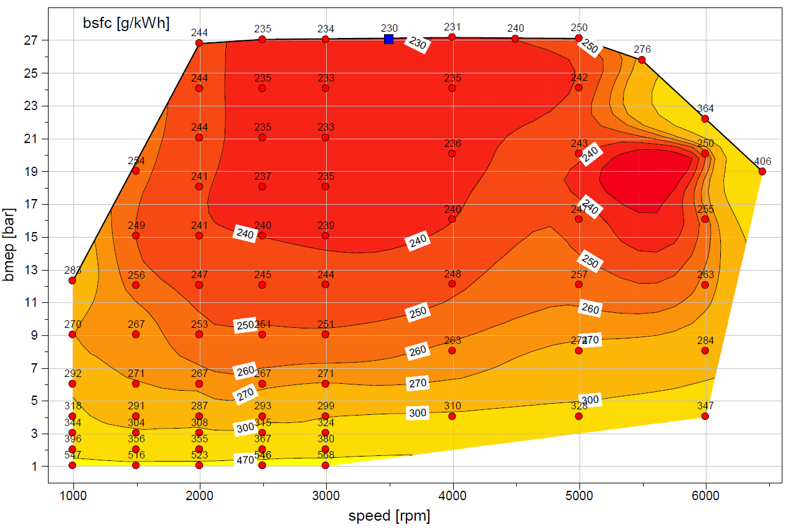
 | WOT
 | rad/sec | Nm
 | 105 | 98
 | 157 | 151
 | 209 | 213
 | 262 | 215
 | 314 | 215
 | 366 | 215
 | 419 | 216
 | 471 | 215
 | 523 | 215
 | 576 | 205
 | 628 | 176
 | 680 | 152

Eng16
...
Eng16 |  | rpm
 | 167 | 3.06 | 4.83 | 5.49 | 6.16 | 6.82 | 7.47 | 8.13 | 8.80 | 9.47 | 10.18 | 10.93 | 11.71 | 12.49 | 13.26 | 14.08 | 14.94 | 15.75 | 16.60 | 17.55 | 18.41 | 19.39 | 20.73 | 21.82 | 22.79 | 24.10 | 25.50 | 26.54 | 27.81
 | 172 | 3.19 | 5.01 | 5.69 | 6.37 | 7.05 | 7.73 | 8.40 | 9.09 | 9.79 | 10.53 | 11.31 | 12.11 | 12.91 | 13.70 | 14.51 | 15.42 | 16.24 | 17.12 | 18.08 | 19.05 | 20.08 | 21.45 | 22.59 | 23.59 | 24.95 | 26.38 | 27.58 | 28.70
 | 178 | 3.32 | 5.19 | 5.89 | 6.59 | 7.28 | 7.98 | 8.67 | 9.38 | 10.11 | 10.88 | 11.69 | 12.52 | 13.34 | 14.13 | 14.95 | 15.87 | 16.74 | 17.61 | 18.65 | 19.74 | 20.78 | 22.18 | 23.36 | 24.40 | 25.78 | 27.35 | 28.39 | 29.59
 | 183 | 3.46 | 5.36 | 6.08 | 6.80 | 7.52 | 8.23 | 8.95 | 9.67 | 10.42 | 11.21 | 12.06 | 12.93 | 13.77 | 14.58 | 15.41 | 16.34 | 17.24 | 18.15 | 19.29 | 20.40 | 21.50 | 22.91 | 24.13 | 25.19 | 26.61 | 28.16 | 29.24 | 30.45
 | 189 | 3.58 | 5.54 | 6.27 | 7.01 | 7.75 | 8.49 | 9.23 | 9.97 | 10.73 | 11.53 | 12.42 | 13.34 | 14.20 | 15.01 | 15.87 | 16.85 | 17.81 | 18.73 | 19.93 | 21.10 | 22.25 | 23.65 | 24.91 | 25.99 | 27.46 | 28.98 | 30.07 | 31.29
 | 194 | 3.70 | 5.71 | 6.47 | 7.22 | 7.98 | 8.74 | 9.50 | 10.27 | 11.06 | 11.88 | 12.79 | 13.71 | 14.60 | 15.42 | 16.31 | 17.37 | 18.38 | 19.35 | 20.62 | 21.84 | 23.04 | 24.40 | 25.69 | 26.77 | 28.21 | 29.79 | 30.89 | 32.11
 | 200 | 3.82 | 5.88 | 6.66 | 7.43 | 8.21 | 8.99 | 9.77 | 10.57 | 11.40 | 12.27 | 13.17 | 14.08 | 14.96 | 15.80 | 16.72 | 17.86 | 18.94 | 20.01 | 21.36 | 22.65 | 23.88 | 25.15 | 26.46 | 27.61 | 28.88 | 30.60 | 31.70 | 32.92
 | 205 | 3.93 | 6.05 | 6.85 | 7.65 | 8.45 | 9.25 | 10.05 | 10.87 | 11.73 | 12.63 | 13.56 | 14.49 | 15.37 | 16.21 | 17.11 | 18.33 | 19.46 | 20.64 | 22.13 | 23.55 | 24.83 | 25.94 | 27.24 | 28.41 | 29.65 | 31.40 | 32.49 | 33.72
 | 211 | 4.04 | 6.22 | 7.05 | 7.87 | 8.69 | 9.52 | 10.34 | 11.16 | 12.02 | 12.95 | 13.96 | 14.97 | 15.89 | 16.71 | 17.54 | 18.77 | 19.90 | 21.15 | 22.91 | 24.54 | 25.90 | 26.76 | 28.02 | 29.17 | 30.42 | 32.17 | 33.28 | 34.51
 | 217 | 4.14 | 6.39 | 7.24 | 8.09 | 8.94 | 9.79 | 10.63 | 11.46 | 12.30 | 13.24 | 14.35 | 15.49 | 16.50 | 17.18 | 18.01 | 19.19 | 20.28 | 21.59 | 23.69 | 25.62 | 27.09 | 27.60 | 28.82 | 29.88 | 31.17 | 32.94 | 34.05 | 35.29
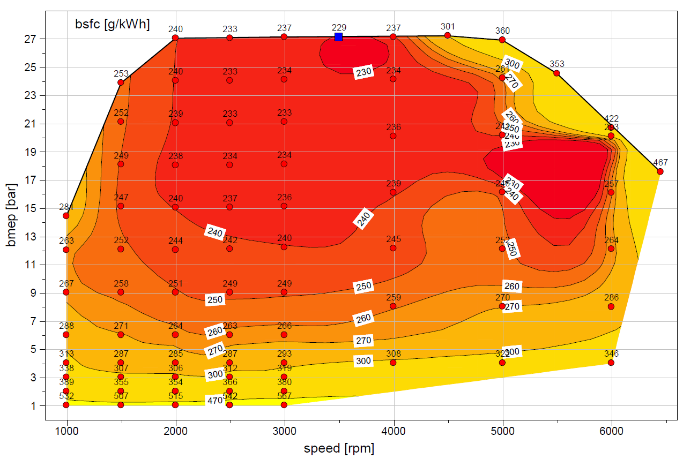
 | WOT
 | rad/sec | Nm
 | 105 | 115
 | 157 | 190
 | 209 | 215
 | 262 | 215
 | 314 | 216
 | 366 | 216
 | 419 | 216
 | 471 | 217
 | 523 | 214
 | 576 | 195
 | 628 | 164
 | 675 | 140

Eng17
...
Eng17 |  | rpm
 | 365 | 8.64 | 9.36 | 10.08 | 10.80 | 11.52 | 12.24 | 12.96 | 14.04 | 14.76 | 15.84 | 16.92 | 18.00 | 19.08 | 20.16 | 21.60 | 22.32 | 22.68 | 23.76 | 24.84 | 26.28 | 27.36 | 28.80 | 29.88 | 31.32 | 32.76 | 34.20 | 35.64 | 37.44 | 38.88
 | 377 | 8.64 | 9.36 | 10.44 | 11.16 | 11.88 | 12.60 | 13.32 | 14.40 | 15.48 | 16.20 | 17.64 | 18.72 | 19.80 | 20.88 | 22.32 | 23.04 | 23.76 | 24.48 | 25.56 | 27.00 | 28.44 | 29.88 | 30.96 | 32.40 | 33.84 | 35.28 | 37.08 | 38.52 | 40.32
 | 388 | 9.00 | 9.72 | 10.44 | 11.52 | 12.24 | 12.96 | 14.04 | 14.76 | 15.84 | 16.92 | 18.00 | 19.08 | 20.52 | 21.60 | 23.04 | 23.76 | 24.48 | 25.20 | 26.64 | 28.08 | 29.52 | 30.96 | 32.04 | 33.48 | 35.28 | 36.72 | 38.16 | 39.96 | 41.40
 | 400 | 9.00 | 10.08 | 10.80 | 11.52 | 12.60 | 13.32 | 14.40 | 15.48 | 16.56 | 17.28 | 18.72 | 19.80 | 21.24 | 22.32 | 23.76 | 24.84 | 25.20 | 26.28 | 27.72 | 28.80 | 30.60 | 31.68 | 33.48 | 34.92 | 36.36 | 37.80 | 39.60 | 41.04 | 42.84
 | 412 | 9.36 | 10.08 | 11.16 | 11.88 | 12.96 | 14.04 | 14.76 | 15.84 | 16.92 | 18.00 | 19.08 | 20.52 | 21.96 | 23.40 | 24.48 | 25.56 | 25.92 | 27.00 | 28.44 | 29.88 | 31.32 | 32.76 | 34.20 | 36.00 | 37.44 | 38.88 | 40.68 | 42.48 | 43.92
 | 423 | 9.36 | 10.44 | 11.52 | 12.24 | 13.32 | 14.40 | 15.48 | 16.20 | 17.64 | 18.72 | 19.80 | 21.24 | 22.68 | 24.12 | 25.56 | 26.64 | 27.00 | 28.08 | 29.16 | 30.60 | 32.40 | 33.84 | 35.28 | 37.08 | 38.52 | 40.32 | 41.76 | 43.56 | 45.36
 | 435 | 9.72 | 10.44 | 11.52 | 12.60 | 13.68 | 14.76 | 15.84 | 16.92 | 18.00 | 19.08 | 20.52 | 21.96 | 23.40 | 24.84 | 26.28 | 27.36 | 28.44 | 29.16 | 30.24 | 31.68 | 33.12 | 34.92 | 36.36 | 38.16 | 39.60 | 41.40 | 42.84 | 44.64 | 46.44
 | 446 | 9.72 | 10.80 | 11.88 | 12.96 | 14.04 | 15.12 | 16.20 | 17.28 | 18.72 | 19.80 | 21.24 | 22.68 | 24.12 | 25.56 | 27.00 | 28.08 | 29.16 | 30.24 | 31.68 | 32.76 | 34.20 | 36.00 | 37.44 | 39.24 | 40.68 | 42.48 | 44.28 | 46.08 | 47.52
 | 458 | 10.08 | 11.16 | 12.24 | 13.32 | 14.40 | 15.84 | 16.92 | 18.00 | 19.08 | 20.52 | 21.96 | 23.40 | 24.84 | 26.28 | 27.72 | 28.80 | 30.24 | 31.68 | 32.76 | 34.20 | 35.64 | 37.08 | 38.52 | 40.32 | 41.76 | 43.56 | 45.36 | 47.16 | 48.96
 | 469 | 10.08 | 11.16 | 12.60 | 13.68 | 15.12 | 16.20 | 17.28 | 18.72 | 19.80 | 21.24 | 22.32 | 23.76 | 25.56 | 27.00 | 28.44 | 29.88 | 31.32 | 32.76 | 34.20 | 35.28 | 36.72 | 38.16 | 39.60 | 41.40 | 42.84 | 44.64 | 46.44 | 48.24 | 50.04
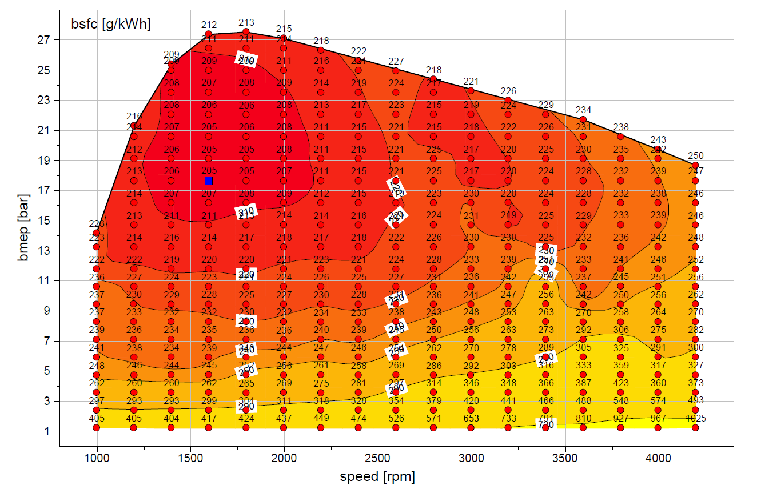
 | WOT
 | rad/sec | Nm
 | 105 | 241
 | 126 | 362
 | 147 | 432
 | 167 | 466
 | 188 | 469
 | 209 | 461
 | 230 | 448
 | 251 | 436
 | 272 | 425
 | 293 | 415
 | 314 | 402
 | 335 | 391
 | 356 | 379
 | 377 | 369
 | 398 | 354
 | 419 | 335

